Tx SSG CH1
Tx S11 / S21 Plot (Small Signal Gain): Tabular Data and Image output

Tx Input Return Loss vs. Temperature
 | -40 C | +40 C | +80 C
2100000000.00 | -23.06 | -23.33 | -24.27
2101250000.00 | -23.11 | -23.39 | -24.56
2102500000.00 | -23.14 | -23.18 | -24.59
2103750000.00 | -23.23 | -23.36 | -24.62
2105000000.00 | -23.35 | -23.47 | -24.64
2106250000.00 | -23.45 | -23.63 | -24.74
2107500000.00 | -23.51 | -23.44 | -25.18
2108750000.00 | -23.47 | -23.63 | -24.91
2110000000.00 | -23.70 | -23.73 | -24.98
2111250000.00 | -23.61 | -23.70 | -25.09
2112500000.00 | -23.78 | -23.94 | -25.41
2113750000.00 | -23.81 | -24.06 | -25.45
2115000000.00 | -24.02 | -24.06 | -25.48
2116250000.00 | -24.03 | -24.15 | -25.75
2117500000.00 | -24.13 | -24.20 | -25.90
2118750000.00 | -24.36 | -24.43 | -25.91
2120000000.00 | -24.28 | -24.50 | -26.13
2121250000.00 | -24.47 | -24.66 | -26.20
2122500000.00 | -24.41 | -24.76 | -26.11
2123750000.00 | -24.67 | -24.69 | -26.38
2125000000.00 | -24.92 | -24.69 | -26.62
2126250000.00 | -24.94 | -25.02 | -26.46
2127500000.00 | -25.10 | -25.44 | -26.81
2128750000.00 | -25.18 | -24.99 | -27.02
2130000000.00 | -25.34 | -25.42 | -27.14
2131250000.00 | -25.50 | -25.59 | -27.44
2132500000.00 | -25.77 | -25.48 | -27.41
2133750000.00 | -25.70 | -25.91 | -27.85
2135000000.00 | -25.75 | -25.81 | -27.80
2136250000.00 | -26.14 | -26.02 | -28.18
2137500000.00 | -26.33 | -26.19 | -28.26
2138750000.00 | -26.29 | -26.38 | -28.28
2140000000.00 | -26.41 | -26.48 | -28.57
2141250000.00 | -26.59 | -26.68 | -28.81
2142500000.00 | -26.65 | -26.69 | -29.35
2143750000.00 | -26.89 | -26.85 | -29.41
2145000000.00 | -27.06 | -27.04 | -29.58
2146250000.00 | -27.20 | -27.15 | -29.88
2147500000.00 | -27.33 | -27.28 | -29.89
2148750000.00 | -27.60 | -27.52 | -29.90
2150000000.00 | -27.58 | -27.19 | -30.63
2151250000.00 | -27.67 | -27.59 | -30.90
2152500000.00 | -27.86 | -27.74 | -30.69
2153750000.00 | -28.09 | -27.76 | -30.73
2155000000.00 | -28.16 | -27.88 | -31.26
2156250000.00 | -28.24 | -28.01 | -31.36
2157500000.00 | -28.15 | -28.21 | -31.34
2158750000.00 | -28.64 | -28.33 | -31.32
2160000000.00 | -28.51 | -28.35 | -31.81
2161250000.00 | -28.41 | -28.70 | -32.05
...
Temp --> | -20 |  | +40 |  | +80
Frequency | S11 | S21 | S11 | S21 | S11 | S21
2100000000.00 | -23.06 | 22.94 | -23.33 | 22.02 | -24.27 | 19.12
2101250000.00 | -23.11 | 23.04 | -23.39 | 21.89 | -24.56 | 19.13
2102500000.00 | -23.14 | 23.05 | -23.18 | 22.00 | -24.59 | 19.21
2103750000.00 | -23.23 | 23.20 | -23.36 | 22.21 | -24.62 | 19.24
2105000000.00 | -23.35 | 23.25 | -23.47 | 22.16 | -24.64 | 19.20
2106250000.00 | -23.45 | 23.22 | -23.63 | 22.24 | -24.74 | 19.36
2107500000.00 | -23.51 | 23.33 | -23.44 | 22.18 | -25.18 | 19.26
2108750000.00 | -23.47 | 23.19 | -23.63 | 22.23 | -24.91 | 19.31
2110000000.00 | -23.70 | 23.34 | -23.73 | 22.16 | -24.98 | 19.16
2111250000.00 | -23.61 | 23.30 | -23.70 | 22.30 | -25.09 | 19.35
2112500000.00 | -23.78 | 23.42 | -23.94 | 22.32 | -25.41 | 19.53
2113750000.00 | -23.81 | 23.39 | -24.06 | 22.47 | -25.45 | 19.41
2115000000.00 | -24.02 | 23.43 | -24.06 | 22.35 | -25.48 | 19.39
2116250000.00 | -24.03 | 23.61 | -24.15 | 22.45 | -25.75 | 19.51
2117500000.00 | -24.13 | 23.67 | -24.20 | 22.38 | -25.90 | 19.67
2118750000.00 | -24.36 | 23.64 | -24.43 | 22.51 | -25.91 | 19.70
2120000000.00 | -24.28 | 23.67 | -24.50 | 22.43 | -26.13 | 19.59
2121250000.00 | -24.47 | 23.77 | -24.66 | 22.59 | -26.20 | 19.72
2122500000.00 | -24.41 | 23.83 | -24.76 | 22.59 | -26.11 | 19.62
2123750000.00 | -24.67 | 23.85 | -24.69 | 22.53 | -26.38 | 19.80
2125000000.00 | -24.92 | 23.89 | -24.69 | 22.73 | -26.62 | 19.69
2126250000.00 | -24.94 | 24.01 | -25.02 | 22.84 | -26.46 | 19.88
2127500000.00 | -25.10 | 23.96 | -25.44 | 22.88 | -26.81 | 19.99
2128750000.00 | -25.18 | 24.16 | -24.99 | 22.93 | -27.02 | 20.04
2130000000.00 | -25.34 | 24.01 | -25.42 | 22.87 | -27.14 | 20.00
2131250000.00 | -25.50 | 24.00 | -25.59 | 22.91 | -27.44 | 19.94
2132500000.00 | -25.77 | 24.11 | -25.48 | 22.95 | -27.41 | 20.07
2133750000.00 | -25.70 | 24.30 | -25.91 | 22.84 | -27.85 | 20.03
2135000000.00 | -25.75 | 24.32 | -25.81 | 22.97 | -27.80 | 20.17
Tx Gain vs. Temperature
 | -40 C | +40 C | +80 C
2100000000.00 | 22.94 | 22.02 | 19.12
2101250000.00 | 23.04 | 21.89 | 19.13
2102500000.00 | 23.05 | 22.00 | 19.21
2103750000.00 | 23.20 | 22.21 | 19.24
2105000000.00 | 23.25 | 22.16 | 19.20
2106250000.00 | 23.22 | 22.24 | 19.36
2107500000.00 | 23.33 | 22.18 | 19.26
2108750000.00 | 23.19 | 22.23 | 19.31
2110000000.00 | 23.34 | 22.16 | 19.16
2111250000.00 | 23.30 | 22.30 | 19.35
2112500000.00 | 23.42 | 22.32 | 19.53
2113750000.00 | 23.39 | 22.47 | 19.41
2115000000.00 | 23.43 | 22.35 | 19.39
2116250000.00 | 23.61 | 22.45 | 19.51
2117500000.00 | 23.67 | 22.38 | 19.67
2118750000.00 | 23.64 | 22.51 | 19.70
2120000000.00 | 23.67 | 22.43 | 19.59
2121250000.00 | 23.77 | 22.59 | 19.72
2122500000.00 | 23.83 | 22.59 | 19.62
2123750000.00 | 23.85 | 22.53 | 19.80
2125000000.00 | 23.89 | 22.73 | 19.69
2126250000.00 | 24.01 | 22.84 | 19.88
2127500000.00 | 23.96 | 22.88 | 19.99
2128750000.00 | 24.16 | 22.93 | 20.04
2130000000.00 | 24.01 | 22.87 | 20.00
2131250000.00 | 24.00 | 22.91 | 19.94
2132500000.00 | 24.11 | 22.95 | 20.07
2133750000.00 | 24.30 | 22.84 | 20.03
2135000000.00 | 24.32 | 22.97 | 20.17
2136250000.00 | 24.36 | 23.14 | 20.30
2137500000.00 | 24.50 | 23.11 | 20.25
2138750000.00 | 24.46 | 23.26 | 20.22
2140000000.00 | 24.39 | 23.10 | 20.18
2141250000.00 | 24.53 | 23.27 | 20.41
2142500000.00 | 24.63 | 23.25 | 20.26
2143750000.00 | 24.66 | 23.33 | 20.40
2145000000.00 | 24.76 | 23.42 | 20.45
2146250000.00 | 24.71 | 23.40 | 20.31
2147500000.00 | 24.88 | 23.51 | 20.57
2148750000.00 | 24.87 | 23.58 | 20.57
2150000000.00 | 24.95 | 23.48 | 20.62
2151250000.00 | 25.07 | 23.61 | 20.69
2152500000.00 | 25.13 | 23.65 | 20.75
2153750000.00 | 25.13 | 23.64 | 20.80
2155000000.00 | 25.13 | 23.63 | 20.85
2156250000.00 | 25.26 | 23.75 | 20.90
2157500000.00 | 25.31 | 23.82 | 20.99
2158750000.00 | 25.32 | 23.86 | 21.03
2160000000.00 | 25.33 | 23.81 | 20.97
2161250000.00 | 25.44 | 23.90 | 21.01
...
2136250000.00 | -26.14 | 24.36 | -26.02 | 23.14 | -28.18 | 20.30
2137500000.00 | -26.33 | 24.50 | -26.19 | 23.11 | -28.26 | 20.25
2138750000.00 | -26.29 | 24.46 | -26.38 | 23.26 | -28.28 | 20.22
2140000000.00 | -26.41 | 24.39 | -26.48 | 23.10 | -28.57 | 20.18
2141250000.00 | -26.59 | 24.53 | -26.68 | 23.27 | -28.81 | 20.41
2142500000.00 | -26.65 | 24.63 | -26.69 | 23.25 | -29.35 | 20.26
2143750000.00 | -26.89 | 24.66 | -26.85 | 23.33 | -29.41 | 20.40
2145000000.00 | -27.06 | 24.76 | -27.04 | 23.42 | -29.58 | 20.45
2146250000.00 | -27.20 | 24.71 | -27.15 | 23.40 | -29.88 | 20.31
2147500000.00 | -27.33 | 24.88 | -27.28 | 23.51 | -29.89 | 20.57
2148750000.00 | -27.60 | 24.87 | -27.52 | 23.58 | -29.90 | 20.57
2150000000.00 | -27.58 | 24.95 | -27.19 | 23.48 | -30.63 | 20.62
2151250000.00 | -27.67 | 25.07 | -27.59 | 23.61 | -30.90 | 20.69
2152500000.00 | -27.86 | 25.13 | -27.74 | 23.65 | -30.69 | 20.75
2153750000.00 | -28.09 | 25.13 | -27.76 | 23.64 | -30.73 | 20.80
2155000000.00 | -28.16 | 25.13 | -27.88 | 23.63 | -31.26 | 20.85
2156250000.00 | -28.24 | 25.26 | -28.01 | 23.75 | -31.36 | 20.90
2157500000.00 | -28.15 | 25.31 | -28.21 | 23.82 | -31.34 | 20.99
2158750000.00 | -28.64 | 25.32 | -28.33 | 23.86 | -31.32 | 21.03
2160000000.00 | -28.51 | 25.33 | -28.35 | 23.81 | -31.81 | 20.97
2161250000.00 | -28.41 | 25.44 | -28.70 | 23.90 | -32.05 | 21.01
2162500000.00 | -28.62 | 25.41 | -28.39 | 23.98 | -32.10 | 21.08
2163750000.00 | -28.83 | 25.40 | -28.77 | 24.09 | -31.96 | 21.25
2165000000.00 | -28.85 | 25.61 | -28.50 | 24.09 | -32.46 | 21.07
2166250000.00 | -28.64 | 25.58 | -28.62 | 24.01 | -32.72 | 20.99
2167500000.00 | -28.76 | 25.68 | -28.45 | 24.11 | -32.45 | 21.37
2168750000.00 | -28.91 | 25.62 | -28.87 | 24.14 | -32.44 | 21.28
2170000000.00 | -28.57 | 25.70 | -28.92 | 24.24 | -32.30 | 21.31
2171250000.00 | -28.75 | 25.72 | -28.58 | 24.25 | -32.39 | 21.39
2172500000.00 | -28.60 | 25.77 | -28.44 | 24.22 | -32.57 | 21.54
2173750000.00 | -28.60 | 25.86 | -28.44 | 24.28 | -32.10 | 21.44
2175000000.00 | -28.44 | 25.91 | -28.58 | 24.32 | -32.33 | 21.55
2176250000.00 | -28.67 | 25.89 | -28.49 | 24.43 | -31.82 | 21.61
2177500000.00 | -28.70 | 25.89 | -28.49 | 24.34 | -32.38 | 21.54
2178750000.00 | -28.46 | 25.96 | -28.32 | 24.46 | -31.79 | 21.56
2180000000.00 | -28.49 | 26.03 | -27.96 | 24.45 | -31.47 | 21.63
2181250000.00 | -28.18 | 26.07 | -28.29 | 24.51 | -31.48 | 21.68
2182500000.00 | -27.94 | 25.99 | -28.16 | 24.58 | -31.49 | 21.61
2183750000.00 | -27.80 | 26.23 | -28.15 | 24.71 | -31.31 | 21.73
2185000000.00 | -27.73 | 26.18 | -28.03 | 24.63 | -31.02 | 21.77
2186250000.00 | -28.06 | 26.21 | -27.66 | 24.63 | -30.79 | 21.77
2187500000.00 | -27.77 | 26.13 | -27.79 | 24.65 | -30.62 | 21.74
2188750000.00 | -27.37 | 26.19 | -27.56 | 24.75 | -30.55 | 21.79
2190000000.00 | -27.36 | 26.25 | -27.15 | 24.78 | -30.30 | 21.81
2191250000.00 | -27.58 | 26.34 | -27.44 | 24.70 | -30.20 | 21.83
2192500000.00 | -27.25 | 26.29 | -27.11 | 24.74 | -30.05 | 21.89
2193750000.00 | -27.01 | 26.23 | -27.13 | 24.67 | -29.67 | 21.84
2195000000.00 | -27.06 | 26.24 | -27.16 | 24.76 | -29.90 | 21.84
2196250000.00 | -26.77 | 26.30 | -26.65 | 24.79 | -29.28 | 21.84
2197500000.00 | -26.79 | 26.35 | -26.74 | 24.97 | -29.33 | 22.05
2198750000.00 | -26.61 | 26.37 | -26.63 | 24.93 | -28.99 | 21.90
2200000000.00 | -26.57 | 26.37 | -26.49 | 24.92 | -29.11 | 21.90
2201250000.00 | -26.33 | 26.44 | -26.42 | 24.87 | -28.80 | 21.92
2202500000.00 | -26.29 | 26.41 | -26.14 | 24.81 | -28.78 | 22.05
2203750000.00 | -26.27 | 26.52 | -26.20 | 25.01 | -28.50 | 22.11
2205000000.00 | -26.24 | 26.56 | -26.32 | 25.05 | -28.17 | 22.07
2206250000.00 | -26.07 | 26.47 | -26.20 | 24.93 | -28.22 | 22.03
2207500000.00 | -25.93 | 26.50 | -25.87 | 25.01 | -28.42 | 22.01
2208750000.00 | -25.82 | 26.54 | -25.84 | 25.08 | -28.04 | 22.10
2210000000.00 | -25.80 | 26.59 | -25.77 | 25.13 | -27.93 | 22.02
2211250000.00 | -25.58 | 26.51 | -25.52 | 25.09 | -27.69 | 22.03
2212500000.00 | -25.57 | 26.57 | -25.64 | 25.14 | -27.59 | 22.22
2213750000.00 | -25.35 | 26.47 | -25.53 | 25.16 | -27.61 | 22.19
2215000000.00 | -25.37 | 26.52 | -25.49 | 25.19 | -27.51 | 22.16
2216250000.00 | -25.45 | 26.57 | -25.43 | 25.18 | -27.34 | 22.20
2217500000.00 | -25.28 | 26.49 | -25.37 | 25.19 | -27.24 | 22.07
2218750000.00 | -25.15 | 26.44 | -25.30 | 25.12 | -27.12 | 22.02
2220000000.00 | -25.12 | 26.52 | -25.17 | 25.12 | -27.09 | 22.01
2221250000.00 | -25.00 | 26.51 | -25.14 | 25.27 | -26.82 | 22.16
2222500000.00 | -25.11 | 26.57 | -24.87 | 25.24 | -27.02 | 22.20
2223750000.00 | -24.79 | 26.50 | -24.90 | 25.18 | -26.73 | 22.11
2225000000.00 | -24.84 | 26.48 | -25.07 | 25.31 | -26.61 | 22.08
2226250000.00 | -24.73 | 26.54 | -24.78 | 25.20 | -26.60 | 22.16
2227500000.00 | -24.85 | 26.56 | -24.63 | 25.33 | -26.42 | 22.15
2228750000.00 | -24.49 | 26.60 | -24.71 | 25.23 | -26.48 | 22.20
2230000000.00 | -24.54 | 26.62 | -24.62 | 25.25 | -26.63 | 22.18
2231250000.00 | -24.50 | 26.50 | -24.67 | 25.35 | -26.53 | 22.16
2232500000.00 | -24.51 | 26.54 | -24.44 | 25.39 | -26.51 | 22.26
2233750000.00 | -24.48 | 26.52 | -24.48 | 25.30 | -26.39 | 22.01
2235000000.00 | -24.25 | 26.55 | -24.58 | 25.24 | -26.38 | 22.17
2236250000.00 | -24.39 | 26.46 | -24.34 | 25.28 | -26.16 | 22.15
2237500000.00 | -24.30 | 26.49 | -24.29 | 25.28 | -26.18 | 22.12
2238750000.00 | -24.31 | 26.58 | -24.45 | 25.22 | -26.22 | 22.13
2240000000.00 | -24.29 | 26.50 | -24.21 | 25.34 | -26.15 | 22.16
2241250000.00 | -24.39 | 26.60 | -24.29 | 25.28 | -26.26 | 22.15
2242500000.00 | -24.24 | 26.65 | -24.25 | 25.32 | -26.05 | 22.11
2243750000.00 | -24.27 | 26.57 | -24.30 | 25.41 | -26.00 | 22.10
2245000000.00 | -24.20 | 26.56 | -24.09 | 25.26 | -26.00 | 22.10
2246250000.00 | -24.29 | 26.57 | -24.25 | 25.28 | -26.08 | 22.14
2247500000.00 | -24.34 | 26.55 | -24.18 | 25.26 | -25.92 | 22.19
2248750000.00 | -24.36 | 26.47 | -24.16 | 25.29 | -25.90 | 22.28
2250000000.00 | -24.34 | 26.65 | -24.20 | 25.34 | -25.84 | 22.17
2251250000.00 | -24.30 | 26.51 | -24.36 | 25.26 | -25.80 | 22.16
2252500000.00 | -24.25 | 26.49 | -24.14 | 25.21 | -25.75 | 22.06
2253750000.00 | -24.41 | 26.59 | -24.11 | 25.32 | -25.68 | 22.18
2255000000.00 | -24.44 | 26.56 | -24.21 | 25.28 | -25.84 | 22.06
2256250000.00 | -24.15 | 26.55 | -24.21 | 25.28 | -25.67 | 22.19
2257500000.00 | -24.29 | 26.55 | -24.10 | 25.19 | -25.61 | 22.10
2258750000.00 | -24.09 | 26.55 | -24.10 | 25.20 | -25.60 | 22.10
2260000000.00 | -24.24 | 26.52 | -24.02 | 25.39 | -25.61 | 22.12
2261250000.00 | -24.09 | 26.52 | -24.23 | 25.27 | -25.71 | 22.09
2262500000.00 | -24.02 | 26.47 | -24.07 | 25.28 | -25.42 | 22.09
2263750000.00 | -24.02 | 26.54 | -24.07 | 25.29 | -25.43 | 22.09
2265000000.00 | -24.08 | 26.55 | -23.99 | 25.25 | -25.46 | 22.01
2266250000.00 | -23.88 | 26.55 | -24.10 | 25.28 | -25.34 | 22.13
2267500000.00 | -23.91 | 26.52 | -24.20 | 25.22 | -25.30 | 21.99
2268750000.00 | -23.96 | 26.56 | -24.01 | 25.11 | -25.17 | 22.18
2270000000.00 | -23.70 | 26.56 | -24.00 | 25.25 | -25.24 | 22.11
2271250000.00 | -23.60 | 26.53 | -23.89 | 25.08 | -25.00 | 22.01
2272500000.00 | -23.59 | 26.59 | -23.96 | 25.18 | -24.79 | 22.12
2273750000.00 | -23.46 | 26.53 | -23.77 | 25.11 | -24.92 | 22.08
2275000000.00 | -23.53 | 26.55 | -23.88 | 25.22 | -24.84 | 22.14
2276250000.00 | -23.32 | 26.59 | -23.76 | 25.32 | -24.73 | 22.21
2277500000.00 | -23.30 | 26.69 | -23.77 | 25.18 | -24.85 | 22.05
2278750000.00 | -23.41 | 26.58 | -23.51 | 25.14 | -24.80 | 22.10
2280000000.00 | -23.19 | 26.59 | -23.46 | 25.21 | -24.63 | 22.16
2281250000.00 | -23.27 | 26.55 | -23.60 | 25.28 | -24.59 | 22.24
2282500000.00 | -23.06 | 26.60 | -23.52 | 25.13 | -24.53 | 22.12
2283750000.00 | -23.00 | 26.58 | -23.39 | 25.20 | -24.24 | 22.24
2285000000.00 | -23.04 | 26.56 | -23.32 | 25.26 | -24.42 | 22.05
2286250000.00 | -22.93 | 26.61 | -23.49 | 25.18 | -24.27 | 22.20
2287500000.00 | -22.83 | 26.59 | -23.16 | 25.06 | -24.11 | 22.13
2288750000.00 | -22.81 | 26.54 | -23.19 | 25.06 | -23.97 | 22.16
2290000000.00 | -22.61 | 26.52 | -23.04 | 25.05 | -23.87 | 21.99
2291250000.00 | -22.57 | 26.58 | -22.88 | 25.08 | -23.77 | 22.19
2292500000.00 | -22.41 | 26.54 | -22.90 | 25.09 | -23.80 | 22.21
2293750000.00 | -22.28 | 26.64 | -22.93 | 25.21 | -23.72 | 22.31
2295000000.00 | -22.33 | 26.67 | -22.79 | 25.17 | -23.53 | 22.39
...

Tx SSG CH2
...
Tx Input Return Loss vs. Temperature
 | -40 C | +40 C | +80 C
2100000000.00 | -24.29 | -24.70 | -25.86
2101250000.00 | -24.58 | -24.74 | -26.19
2102500000.00 | -24.49 | -25.03 | -26.14
2103750000.00 | -24.52 | -24.89 | -26.24
2105000000.00 | -24.44 | -24.98 | -26.26
2106250000.00 | -24.77 | -25.09 | -26.34
2107500000.00 | -24.84 | -25.14 | -26.49
2108750000.00 | -24.90 | -25.13 | -26.69
2110000000.00 | -25.06 | -25.55 | -26.81
2111250000.00 | -25.04 | -25.54 | -26.83
2112500000.00 | -24.99 | -25.59 | -27.07
2113750000.00 | -25.15 | -25.49 | -27.36
2115000000.00 | -25.29 | -25.73 | -27.28
2116250000.00 | -25.59 | -25.94 | -27.59
2117500000.00 | -25.70 | -25.95 | -27.51
2118750000.00 | -25.68 | -26.34 | -27.91
2120000000.00 | -25.75 | -26.20 | -28.07
2121250000.00 | -25.88 | -26.39 | -27.93
2122500000.00 | -26.15 | -26.56 | -28.13
2123750000.00 | -26.02 | -26.69 | -28.38
2125000000.00 | -26.53 | -26.88 | -28.79
2126250000.00 | -26.56 | -26.97 | -29.07
2127500000.00 | -26.58 | -27.02 | -28.93
2128750000.00 | -26.68 | -27.14 | -29.14
2130000000.00 | -26.80 | -27.38 | -29.48
2131250000.00 | -27.01 | -27.68 | -29.95
2132500000.00 | -27.32 | -27.74 | -29.76
2133750000.00 | -27.35 | -27.99 | -30.01
2135000000.00 | -27.58 | -28.07 | -30.21
2136250000.00 | -27.67 | -28.17 | -30.35
2137500000.00 | -27.97 | -28.22 | -30.71
2138750000.00 | -28.05 | -28.82 | -30.81
2140000000.00 | -28.16 | -28.81 | -31.37
2141250000.00 | -28.60 | -28.59 | -31.50
2142500000.00 | -28.87 | -29.12 | -31.98
2143750000.00 | -28.61 | -29.36 | -32.44
2145000000.00 | -28.92 | -29.51 | -32.04
2146250000.00 | -28.87 | -29.34 | -33.00
2147500000.00 | -29.43 | -29.78 | -32.86
2148750000.00 | -29.56 | -29.97 | -33.59
2150000000.00 | -29.59 | -29.92 | -33.42
2151250000.00 | -29.56 | -29.98 | -33.92
2152500000.00 | -29.59 | -30.69 | -34.72
2153750000.00 | -30.04 | -30.60 | -34.51
2155000000.00 | -30.29 | -30.44 | -34.27
2156250000.00 | -30.16 | -31.01 | -34.50
2157500000.00 | -30.56 | -30.64 | -35.43
2158750000.00 | -30.65 | -30.86 | -35.03
2160000000.00 | -30.72 | -30.91 | -35.87
2161250000.00 | -30.96 | -30.84 | -36.22
...
 | +40 |  | +80
S21 | S11 | S21 | S11 | S21
23.22 | -24.70 | 22.10 | -25.86 | 19.37
23.36 | -24.74 | 22.31 | -26.19 | 19.39
23.40 | -25.03 | 22.48 | -26.14 | 19.27
23.31 | -24.89 | 22.42 | -26.24 | 19.31
23.43 | -24.98 | 22.25 | -26.26 | 19.58
23.39 | -25.09 | 22.35 | -26.34 | 19.62
23.50 | -25.14 | 22.39 | -26.49 | 19.46
23.49 | -25.13 | 22.44 | -26.69 | 19.46
23.48 | -25.55 | 22.55 | -26.81 | 19.59
23.63 | -25.54 | 22.52 | -26.83 | 19.49
23.71 | -25.59 | 22.51 | -27.07 | 19.56
23.70 | -25.49 | 22.68 | -27.36 | 19.66
23.84 | -25.73 | 22.53 | -27.28 | 19.70
23.89 | -25.94 | 22.80 | -27.59 | 19.86
23.94 | -25.95 | 22.83 | -27.51 | 19.82
23.97 | -26.34 | 22.80 | -27.91 | 19.87
23.98 | -26.20 | 22.84 | -28.07 | 19.90
24.05 | -26.39 | 22.97 | -27.93 | 19.89
24.06 | -26.56 | 23.03 | -28.13 | 19.96
24.08 | -26.69 | 22.93 | -28.38 | 20.04
24.09 | -26.88 | 22.91 | -28.79 | 19.95
24.22 | -26.97 | 23.18 | -29.07 | 20.09
24.32 | -27.02 | 23.13 | -28.93 | 20.26
24.35 | -27.14 | 23.11 | -29.14 | 20.24
24.32 | -27.38 | 23.30 | -29.48 | 20.22
24.46 | -27.68 | 23.20 | -29.95 | 20.25
24.47 | -27.74 | 23.31 | -29.76 | 20.16
24.46 | -27.99 | 23.25 | -30.01 | 20.40
24.57 | -28.07 | 23.29 | -30.21 | 20.25
Tx Gain vs. Temperature
 | -40 C | +40 C | +80 C
2100000000.00 | 23.22 | 22.10 | 19.37
2101250000.00 | 23.36 | 22.31 | 19.39
2102500000.00 | 23.40 | 22.48 | 19.27
2103750000.00 | 23.31 | 22.42 | 19.31
2105000000.00 | 23.43 | 22.25 | 19.58
2106250000.00 | 23.39 | 22.35 | 19.62
2107500000.00 | 23.50 | 22.39 | 19.46
2108750000.00 | 23.49 | 22.44 | 19.46
2110000000.00 | 23.48 | 22.55 | 19.59
2111250000.00 | 23.63 | 22.52 | 19.49
2112500000.00 | 23.71 | 22.51 | 19.56
2113750000.00 | 23.70 | 22.68 | 19.66
2115000000.00 | 23.84 | 22.53 | 19.70
2116250000.00 | 23.89 | 22.80 | 19.86
2117500000.00 | 23.94 | 22.83 | 19.82
2118750000.00 | 23.97 | 22.80 | 19.87
2120000000.00 | 23.98 | 22.84 | 19.90
2121250000.00 | 24.05 | 22.97 | 19.89
2122500000.00 | 24.06 | 23.03 | 19.96
2123750000.00 | 24.08 | 22.93 | 20.04
2125000000.00 | 24.09 | 22.91 | 19.95
2126250000.00 | 24.22 | 23.18 | 20.09
2127500000.00 | 24.32 | 23.13 | 20.26
2128750000.00 | 24.35 | 23.11 | 20.24
2130000000.00 | 24.32 | 23.30 | 20.22
2131250000.00 | 24.46 | 23.20 | 20.25
2132500000.00 | 24.47 | 23.31 | 20.16
2133750000.00 | 24.46 | 23.25 | 20.40
2135000000.00 | 24.57 | 23.29 | 20.25
2136250000.00 | 24.68 | 23.42 | 20.39
2137500000.00 | 24.69 | 23.40 | 20.41
2138750000.00 | 24.77 | 23.47 | 20.56
2140000000.00 | 24.79 | 23.50 | 20.54
2141250000.00 | 24.96 | 23.54 | 20.66
2142500000.00 | 24.91 | 23.62 | 20.66
2143750000.00 | 24.94 | 23.71 | 20.63
2145000000.00 | 25.03 | 23.71 | 20.82
2146250000.00 | 25.11 | 23.79 | 20.86
2147500000.00 | 25.24 | 23.85 | 20.85
2148750000.00 | 25.20 | 23.75 | 20.91
2150000000.00 | 25.24 | 23.85 | 21.14
2151250000.00 | 25.35 | 23.82 | 20.91
2152500000.00 | 25.44 | 23.99 | 21.04
2153750000.00 | 25.49 | 24.11 | 21.15
2155000000.00 | 25.44 | 24.05 | 20.98
2156250000.00 | 25.46 | 24.05 | 21.25
2157500000.00 | 25.58 | 24.13 | 21.24
2158750000.00 | 25.64 | 24.27 | 21.28
2160000000.00 | 25.67 | 24.20 | 21.31
2161250000.00 | 25.68 | 24.20 | 21.42
...
24.68 | -28.17 | 23.42 | -30.35 | 20.39
24.69 | -28.22 | 23.40 | -30.71 | 20.41
24.77 | -28.82 | 23.47 | -30.81 | 20.56
24.79 | -28.81 | 23.50 | -31.37 | 20.54
24.96 | -28.59 | 23.54 | -31.50 | 20.66
24.91 | -29.12 | 23.62 | -31.98 | 20.66
24.94 | -29.36 | 23.71 | -32.44 | 20.63
25.03 | -29.51 | 23.71 | -32.04 | 20.82
25.11 | -29.34 | 23.79 | -33.00 | 20.86
25.24 | -29.78 | 23.85 | -32.86 | 20.85
25.20 | -29.97 | 23.75 | -33.59 | 20.91
25.24 | -29.92 | 23.85 | -33.42 | 21.14
25.35 | -29.98 | 23.82 | -33.92 | 20.91
25.44 | -30.69 | 23.99 | -34.72 | 21.04
25.49 | -30.60 | 24.11 | -34.51 | 21.15
25.44 | -30.44 | 24.05 | -34.27 | 20.98
25.46 | -31.01 | 24.05 | -34.50 | 21.25
25.58 | -30.64 | 24.13 | -35.43 | 21.24
25.64 | -30.86 | 24.27 | -35.03 | 21.28
25.67 | -30.91 | 24.20 | -35.87 | 21.31
25.68 | -30.84 | 24.20 | -36.22 | 21.42
25.76 | -30.96 | 24.27 | -35.50 | 21.37
25.80 | -31.13 | 24.43 | -36.27 | 21.34
25.93 | -30.63 | 24.44 | -36.08 | 21.43
25.89 | -30.71 | 24.30 | -35.84 | 21.47
26.01 | -30.79 | 24.41 | -35.49 | 21.60
26.05 | -30.55 | 24.47 | -36.09 | 21.54
26.02 | -30.39 | 24.53 | -35.40 | 21.80
26.14 | -30.91 | 24.59 | -35.59 | 21.82
26.20 | -30.45 | 24.57 | -35.57 | 21.78
26.27 | -30.53 | 24.67 | -35.04 | 21.70
26.20 | -30.40 | 24.77 | -34.81 | 21.68
26.35 | -30.12 | 24.75 | -34.53 | 21.82
26.32 | -29.93 | 24.68 | -34.03 | 21.85
26.32 | -29.84 | 24.82 | -33.93 | 21.82
26.41 | -29.50 | 24.82 | -34.01 | 21.97
26.33 | -29.30 | 24.88 | -33.81 | 21.96
26.40 | -29.20 | 24.87 | -33.30 | 21.97
...

RX SSG CH2
...
Rx Input Return Loss vs. Temperature
 | -40 C | +40 C | +80 C
2100000000.00 | -13.39 | -13.20 | -12.74
2101250000.00 | -13.36 | -13.18 | -12.72
2102500000.00 | -13.35 | -13.19 | -12.70
2103750000.00 | -13.34 | -13.18 | -12.68
2105000000.00 | -13.34 | -13.16 | -12.68
2106250000.00 | -13.34 | -13.15 | -12.66
2107500000.00 | -13.32 | -13.15 | -12.65
2108750000.00 | -13.31 | -13.13 | -12.62
2110000000.00 | -13.29 | -13.12 | -12.60
2111250000.00 | -13.30 | -13.11 | -12.58
2112500000.00 | -13.28 | -13.09 | -12.56
2113750000.00 | -13.25 | -13.08 | -12.55
2115000000.00 | -13.24 | -13.08 | -12.51
2116250000.00 | -13.23 | -13.04 | -12.51
2117500000.00 | -13.23 | -13.01 | -12.50
2118750000.00 | -13.18 | -13.02 | -12.47
2120000000.00 | -13.17 | -12.98 | -12.44
2121250000.00 | -13.16 | -12.96 | -12.42
2122500000.00 | -13.12 | -12.95 | -12.40
2123750000.00 | -13.10 | -12.91 | -12.38
2125000000.00 | -13.07 | -12.88 | -12.35
2126250000.00 | -13.05 | -12.88 | -12.31
2127500000.00 | -13.03 | -12.85 | -12.29
2128750000.00 | -12.99 | -12.82 | -12.25
2130000000.00 | -12.98 | -12.80 | -12.23
2131250000.00 | -12.94 | -12.77 | -12.21
2132500000.00 | -12.93 | -12.71 | -12.17
2133750000.00 | -12.90 | -12.71 | -12.14
2135000000.00 | -12.87 | -12.68 | -12.13
2136250000.00 | -12.84 | -12.65 | -12.08
2137500000.00 | -12.81 | -12.61 | -12.05
2138750000.00 | -12.78 | -12.58 | -12.02
2140000000.00 | -12.76 | -12.55 | -12.00
2141250000.00 | -12.72 | -12.52 | -11.97
2142500000.00 | -12.69 | -12.49 | -11.94
2143750000.00 | -12.65 | -12.46 | -11.90
2145000000.00 | -12.63 | -12.42 | -11.86
2146250000.00 | -12.59 | -12.38 | -11.85
2147500000.00 | -12.56 | -12.37 | -11.82
2148750000.00 | -12.52 | -12.32 | -11.79
2150000000.00 | -12.50 | -12.31 | -11.76
2151250000.00 | -12.45 | -12.26 | -11.74
2152500000.00 | -12.43 | -12.25 | -11.71
2153750000.00 | -12.40 | -12.22 | -11.68
2155000000.00 | -12.36 | -12.18 | -11.66
2156250000.00 | -12.33 | -12.16 | -11.62
2157500000.00 | -12.30 | -12.10 | -11.60
2158750000.00 | -12.27 | -12.09 | -11.57
2160000000.00 | -12.25 | -12.06 | -11.55
2161250000.00 | -12.23 | -12.04 | -11.52
...
 | +40 |  | +80
S21 | S11 | S21 | S11 | S21
12.42 | -13.20 | 11.86 | -12.74 | 11.20
12.44 | -13.18 | 12.01 | -12.72 | 11.21
12.51 | -13.19 | 12.06 | -12.70 | 11.05
12.60 | -13.18 | 11.95 | -12.68 | 11.19
12.37 | -13.16 | 12.00 | -12.68 | 11.11
12.60 | -13.15 | 11.91 | -12.66 | 11.03
12.43 | -13.15 | 12.00 | -12.65 | 11.22
12.42 | -13.13 | 11.98 | -12.62 | 11.11
12.49 | -13.12 | 12.03 | -12.60 | 10.98
12.50 | -13.11 | 12.06 | -12.58 | 11.15
12.56 | -13.09 | 12.02 | -12.56 | 11.06
12.57 | -13.08 | 12.09 | -12.55 | 10.98
12.47 | -13.08 | 11.87 | -12.51 | 10.98
12.48 | -13.04 | 11.81 | -12.51 | 11.10
12.46 | -13.01 | 12.01 | -12.50 | 11.02
12.51 | -13.02 | 12.03 | -12.47 | 11.30
12.39 | -12.98 | 11.86 | -12.44 | 11.20
12.56 | -12.96 | 12.10 | -12.42 | 11.16
12.59 | -12.95 | 11.93 | -12.40 | 11.10
12.54 | -12.91 | 12.04 | -12.38 | 11.11
12.55 | -12.88 | 11.95 | -12.35 | 11.16
12.45 | -12.88 | 11.96 | -12.31 | 11.15
12.64 | -12.85 | 11.98 | -12.29 | 11.14
12.60 | -12.82 | 11.95 | -12.25 | 11.22
12.43 | -12.80 | 11.99 | -12.23 | 11.14
12.49 | -12.77 | 12.05 | -12.21 | 11.18
12.51 | -12.71 | 12.08 | -12.17 | 11.06
12.50 | -12.71 | 11.87 | -12.14 | 11.11
12.39 | -12.68 | 12.02 | -12.13 | 11.13
Rx Gain vs. Temperature
 | -40 C | +40 C | +80 C
2100000000.00 | 12.42 | 11.86 | 11.20
2101250000.00 | 12.44 | 12.01 | 11.21
2102500000.00 | 12.51 | 12.06 | 11.05
2103750000.00 | 12.60 | 11.95 | 11.19
2105000000.00 | 12.37 | 12.00 | 11.11
2106250000.00 | 12.60 | 11.91 | 11.03
2107500000.00 | 12.43 | 12.00 | 11.22
2108750000.00 | 12.42 | 11.98 | 11.11
2110000000.00 | 12.49 | 12.03 | 10.98
2111250000.00 | 12.50 | 12.06 | 11.15
2112500000.00 | 12.56 | 12.02 | 11.06
2113750000.00 | 12.57 | 12.09 | 10.98
2115000000.00 | 12.47 | 11.87 | 10.98
2116250000.00 | 12.48 | 11.81 | 11.10
2117500000.00 | 12.46 | 12.01 | 11.02
2118750000.00 | 12.51 | 12.03 | 11.30
2120000000.00 | 12.39 | 11.86 | 11.20
2121250000.00 | 12.56 | 12.10 | 11.16
2122500000.00 | 12.59 | 11.93 | 11.10
2123750000.00 | 12.54 | 12.04 | 11.11
2125000000.00 | 12.55 | 11.95 | 11.16
2126250000.00 | 12.45 | 11.96 | 11.15
2127500000.00 | 12.64 | 11.98 | 11.14
2128750000.00 | 12.60 | 11.95 | 11.22
2130000000.00 | 12.43 | 11.99 | 11.14
2131250000.00 | 12.49 | 12.05 | 11.18
2132500000.00 | 12.51 | 12.08 | 11.06
2133750000.00 | 12.50 | 11.87 | 11.11
2135000000.00 | 12.39 | 12.02 | 11.13
2136250000.00 | 12.40 | 12.13 | 11.15
2137500000.00 | 12.60 | 12.14 | 11.15
2138750000.00 | 12.40 | 11.96 | 11.12
2140000000.00 | 12.38 | 12.02 | 11.05
2141250000.00 | 12.47 | 12.01 | 11.05
2142500000.00 | 12.55 | 12.09 | 11.15
2143750000.00 | 12.57 | 12.01 | 10.98
2145000000.00 | 12.45 | 12.00 | 11.03
2146250000.00 | 12.57 | 12.08 | 11.11
2147500000.00 | 12.57 | 12.21 | 11.00
2148750000.00 | 12.55 | 12.07 | 11.19
2150000000.00 | 12.55 | 11.96 | 11.32
2151250000.00 | 12.61 | 12.19 | 11.16
2152500000.00 | 12.60 | 12.06 | 11.21
2153750000.00 | 12.45 | 12.15 | 11.33
2155000000.00 | 12.40 | 11.91 | 11.12
2156250000.00 | 12.43 | 12.09 | 11.05
2157500000.00 | 12.58 | 12.13 | 11.25
2158750000.00 | 12.42 | 11.93 | 11.00
2160000000.00 | 12.53 | 12.15 | 11.18
2161250000.00 | 12.48 | 12.02 | 10.99
...
12.40 | -12.65 | 12.13 | -12.08 | 11.15
12.60 | -12.61 | 12.14 | -12.05 | 11.15
12.40 | -12.58 | 11.96 | -12.02 | 11.12
12.38 | -12.55 | 12.02 | -12.00 | 11.05
12.47 | -12.52 | 12.01 | -11.97 | 11.05
12.55 | -12.49 | 12.09 | -11.94 | 11.15
12.57 | -12.46 | 12.01 | -11.90 | 10.98
12.45 | -12.42 | 12.00 | -11.86 | 11.03
12.57 | -12.38 | 12.08 | -11.85 | 11.11
12.57 | -12.37 | 12.21 | -11.82 | 11.00
12.55 | -12.32 | 12.07 | -11.79 | 11.19
12.55 | -12.31 | 11.96 | -11.76 | 11.32
12.61 | -12.26 | 12.19 | -11.74 | 11.16
12.60 | -12.25 | 12.06 | -11.71 | 11.21
12.45 | -12.22 | 12.15 | -11.68 | 11.33
12.40 | -12.18 | 11.91 | -11.66 | 11.12
12.43 | -12.16 | 12.09 | -11.62 | 11.05
12.58 | -12.10 | 12.13 | -11.60 | 11.25
12.42 | -12.09 | 11.93 | -11.57 | 11.00
12.53 | -12.06 | 12.15 | -11.55 | 11.18
12.48 | -12.04 | 12.02 | -11.52 | 10.99
12.41 | -12.02 | 11.89 | -11.49 | 11.04
12.40 | -11.99 | 12.02 | -11.48 | 10.89
12.56 | -11.96 | 12.00 | -11.46 | 11.14
12.47 | -11.93 | 12.04 | -11.43 | 11.03
12.69 | -11.91 | 12.14 | -11.42 | 11.08
12.36 | -11.90 | 12.05 | -11.40 | 11.05
12.36 | -11.87 | 12.07 | -11.37 | 11.13
12.55 | -11.85 | 11.94 | -11.36 | 11.10
12.49 | -11.83 | 12.01 | -11.36 | 11.26
12.43 | -11.81 | 11.97 | -11.34 | 11.06
12.53 | -11.79 | 11.96 | -11.31 | 11.01
12.36 | -11.78 | 12.06 | -11.31 | 11.17
12.53 | -11.76 | 11.95 | -11.31 | 11.11
12.43 | -11.76 | 11.99 | -11.28 | 11.09
12.45 | -11.74 | 12.06 | -11.27 | 11.23
12.62 | -11.72 | 12.06 | -11.27 | 11.03
...

Rx SSG CH1
...
Rx Input Return Loss vs. Temperature
 | -40 C | +40 C | +80 C
2100000000.00 | -15.59 | -15.88 | -15.60
2101250000.00 | -15.58 | -15.89 | -15.60
2102500000.00 | -15.58 | -15.87 | -15.57
2103750000.00 | -15.59 | -15.89 | -15.56
2105000000.00 | -15.60 | -15.89 | -15.54
2106250000.00 | -15.59 | -15.89 | -15.52
2107500000.00 | -15.58 | -15.86 | -15.52
2108750000.00 | -15.55 | -15.83 | -15.50
2110000000.00 | -15.57 | -15.84 | -15.48
2111250000.00 | -15.55 | -15.85 | -15.46
2112500000.00 | -15.54 | -15.83 | -15.45
2113750000.00 | -15.55 | -15.82 | -15.42
2115000000.00 | -15.51 | -15.81 | -15.40
2116250000.00 | -15.52 | -15.78 | -15.36
2117500000.00 | -15.49 | -15.76 | -15.35
2118750000.00 | -15.50 | -15.76 | -15.34
2120000000.00 | -15.47 | -15.71 | -15.29
2121250000.00 | -15.44 | -15.68 | -15.26
2122500000.00 | -15.44 | -15.69 | -15.22
2123750000.00 | -15.39 | -15.70 | -15.19
2125000000.00 | -15.38 | -15.66 | -15.17
2126250000.00 | -15.33 | -15.59 | -15.12
2127500000.00 | -15.32 | -15.57 | -15.09
2128750000.00 | -15.29 | -15.52 | -15.06
2130000000.00 | -15.27 | -15.51 | -15.04
2131250000.00 | -15.26 | -15.48 | -14.97
2132500000.00 | -15.21 | -15.46 | -14.95
2133750000.00 | -15.18 | -15.40 | -14.90
2135000000.00 | -15.16 | -15.37 | -14.88
2136250000.00 | -15.12 | -15.33 | -14.84
2137500000.00 | -15.08 | -15.30 | -14.81
2138750000.00 | -15.03 | -15.26 | -14.76
2140000000.00 | -15.00 | -15.25 | -14.71
2141250000.00 | -14.97 | -15.21 | -14.68
2142500000.00 | -14.93 | -15.15 | -14.64
2143750000.00 | -14.87 | -15.11 | -14.60
2145000000.00 | -14.86 | -15.07 | -14.57
2146250000.00 | -14.82 | -15.02 | -14.52
2147500000.00 | -14.78 | -14.99 | -14.48
2148750000.00 | -14.73 | -14.96 | -14.44
2150000000.00 | -14.69 | -14.90 | -14.41
2151250000.00 | -14.65 | -14.85 | -14.37
2152500000.00 | -14.63 | -14.84 | -14.32
2153750000.00 | -14.59 | -14.80 | -14.28
2155000000.00 | -14.55 | -14.73 | -14.25
2156250000.00 | -14.50 | -14.72 | -14.21
2157500000.00 | -14.47 | -14.68 | -14.19
2158750000.00 | -14.41 | -14.64 | -14.15
2160000000.00 | -14.39 | -14.59 | -14.11
2161250000.00 | -14.36 | -14.57 | -14.07
...
 | +40 |  | +80
S21 | S11 | S21 | S11 | S21
12.65 | -15.88 | 11.97 | -15.60 | 10.73
12.71 | -15.89 | 11.88 | -15.60 | 10.78
12.60 | -15.87 | 11.97 | -15.57 | 10.76
12.64 | -15.89 | 12.01 | -15.56 | 10.82
12.64 | -15.89 | 12.05 | -15.54 | 10.73
12.66 | -15.89 | 12.04 | -15.52 | 10.88
12.48 | -15.86 | 12.08 | -15.52 | 10.76
12.52 | -15.83 | 11.85 | -15.50 | 10.66
12.54 | -15.84 | 11.91 | -15.48 | 10.66
12.65 | -15.85 | 12.16 | -15.46 | 10.74
12.71 | -15.83 | 12.02 | -15.45 | 10.83
12.65 | -15.82 | 12.12 | -15.42 | 10.64
12.65 | -15.81 | 11.91 | -15.40 | 10.62
12.67 | -15.78 | 12.08 | -15.36 | 10.80
12.69 | -15.76 | 12.05 | -15.35 | 10.69
12.65 | -15.76 | 11.98 | -15.34 | 10.77
12.67 | -15.71 | 11.85 | -15.29 | 10.70
12.64 | -15.68 | 12.12 | -15.26 | 10.90
12.72 | -15.69 | 11.93 | -15.22 | 10.77
12.58 | -15.70 | 11.97 | -15.19 | 10.74
12.76 | -15.66 | 11.99 | -15.17 | 10.65
12.69 | -15.59 | 12.17 | -15.12 | 10.83
12.59 | -15.57 | 11.99 | -15.09 | 10.71
12.59 | -15.52 | 12.18 | -15.06 | 10.75
12.74 | -15.51 | 11.88 | -15.04 | 10.75
12.65 | -15.48 | 12.05 | -14.97 | 10.80
12.62 | -15.46 | 12.05 | -14.95 | 10.76
12.72 | -15.40 | 12.04 | -14.90 | 10.84
12.59 | -15.37 | 11.98 | -14.88 | 10.79
Rx Gain vs. Temperature
 | -40 C | +40 C | +80 C
2100000000.00 | 12.65 | 11.97 | 10.73
2101250000.00 | 12.71 | 11.88 | 10.78
2102500000.00 | 12.60 | 11.97 | 10.76
2103750000.00 | 12.64 | 12.01 | 10.82
2105000000.00 | 12.64 | 12.05 | 10.73
2106250000.00 | 12.66 | 12.04 | 10.88
2107500000.00 | 12.48 | 12.08 | 10.76
2108750000.00 | 12.52 | 11.85 | 10.66
2110000000.00 | 12.54 | 11.91 | 10.66
2111250000.00 | 12.65 | 12.16 | 10.74
2112500000.00 | 12.71 | 12.02 | 10.83
2113750000.00 | 12.65 | 12.12 | 10.64
2115000000.00 | 12.65 | 11.91 | 10.62
2116250000.00 | 12.67 | 12.08 | 10.80
2117500000.00 | 12.69 | 12.05 | 10.69
2118750000.00 | 12.65 | 11.98 | 10.77
2120000000.00 | 12.67 | 11.85 | 10.70
2121250000.00 | 12.64 | 12.12 | 10.90
2122500000.00 | 12.72 | 11.93 | 10.77
2123750000.00 | 12.58 | 11.97 | 10.74
2125000000.00 | 12.76 | 11.99 | 10.65
2126250000.00 | 12.69 | 12.17 | 10.83
2127500000.00 | 12.59 | 11.99 | 10.71
2128750000.00 | 12.59 | 12.18 | 10.75
2130000000.00 | 12.74 | 11.88 | 10.75
2131250000.00 | 12.65 | 12.05 | 10.80
2132500000.00 | 12.62 | 12.05 | 10.76
2133750000.00 | 12.72 | 12.04 | 10.84
2135000000.00 | 12.59 | 11.98 | 10.79
2136250000.00 | 12.69 | 12.04 | 10.85
2137500000.00 | 12.71 | 12.05 | 10.75
2138750000.00 | 12.72 | 12.01 | 10.66
2140000000.00 | 12.61 | 11.96 | 10.63
2141250000.00 | 12.65 | 11.97 | 10.76
2142500000.00 | 12.72 | 12.10 | 10.69
2143750000.00 | 12.70 | 11.90 | 10.57
2145000000.00 | 12.59 | 11.91 | 10.70
2146250000.00 | 12.68 | 12.01 | 10.79
2147500000.00 | 12.72 | 12.19 | 10.80
2148750000.00 | 12.67 | 11.99 | 10.82
2150000000.00 | 12.67 | 12.11 | 10.63
2151250000.00 | 12.71 | 12.16 | 10.73
2152500000.00 | 12.73 | 12.00 | 10.61
2153750000.00 | 12.76 | 12.05 | 10.87
2155000000.00 | 12.53 | 12.13 | 10.72
2156250000.00 | 12.46 | 11.98 | 10.79
2157500000.00 | 12.67 | 12.04 | 10.59
2158750000.00 | 12.73 | 12.09 | 10.77
2160000000.00 | 12.66 | 12.01 | 10.78
2161250000.00 | 12.59 | 12.04 | 10.69
...
12.69 | -15.33 | 12.04 | -14.84 | 10.85
12.71 | -15.30 | 12.05 | -14.81 | 10.75
12.72 | -15.26 | 12.01 | -14.76 | 10.66
12.61 | -15.25 | 11.96 | -14.71 | 10.63
12.65 | -15.21 | 11.97 | -14.68 | 10.76
12.72 | -15.15 | 12.10 | -14.64 | 10.69
12.70 | -15.11 | 11.90 | -14.60 | 10.57
12.59 | -15.07 | 11.91 | -14.57 | 10.70
12.68 | -15.02 | 12.01 | -14.52 | 10.79
12.72 | -14.99 | 12.19 | -14.48 | 10.80
12.67 | -14.96 | 11.99 | -14.44 | 10.82
12.67 | -14.90 | 12.11 | -14.41 | 10.63
12.71 | -14.85 | 12.16 | -14.37 | 10.73
12.73 | -14.84 | 12.00 | -14.32 | 10.61
12.76 | -14.80 | 12.05 | -14.28 | 10.87
12.53 | -14.73 | 12.13 | -14.25 | 10.72
12.46 | -14.72 | 11.98 | -14.21 | 10.79
12.67 | -14.68 | 12.04 | -14.19 | 10.59
12.73 | -14.64 | 12.09 | -14.15 | 10.77
12.66 | -14.59 | 12.01 | -14.11 | 10.78
12.59 | -14.57 | 12.04 | -14.07 | 10.69
12.64 | -14.54 | 11.91 | -14.05 | 10.78
12.52 | -14.51 | 11.96 | -14.02 | 10.65
12.76 | -14.47 | 12.02 | -13.98 | 10.59
12.67 | -14.43 | 12.02 | -13.96 | 10.54
12.68 | -14.40 | 12.12 | -13.94 | 10.82
12.66 | -14.39 | 12.02 | -13.90 | 10.59
12.75 | -14.35 | 11.93 | -13.87 | 10.90
12.65 | -14.32 | 12.08 | -13.84 | 10.66
12.68 | -14.29 | 12.01 | -13.83 | 10.62
12.68 | -14.26 | 12.07 | -13.80 | 10.82
12.67 | -14.24 | 11.71 | -13.80 | 10.65
12.58 | -14.20 | 12.04 | -13.76 | 10.61
12.76 | -14.18 | 11.87 | -13.75 | 10.55
12.72 | -14.17 | 11.90 | -13.72 | 10.64
12.60 | -14.16 | 11.94 | -13.71 | 10.70
12.70 | -14.14 | 12.12 | -13.68 | 10.57
...

Tx P1dB ch1
...
-23
 |  | +80
IDC | Efficiency | Pin | Pout | IDC | Efficiency
Tx P1dB vs. Temperature
 | -40 | +40 | +80
 | 39.497897904 | 38.820944303 | 35.896127886
 | 39.063896281 | 38.500779097 | 35.508233086
 | 38.962486657 | 38.450545985 | 35.373869748
 | 38.867934937 | 38.466973446 | 35.36043765
 | 38.893508526 | 38.478067729 | 35.324801589
 | 38.876134855 | 38.519425199 | 35.282523435
 | 38.789380438 | 38.565077668 | 35.285952285
 | 38.782491055 | 38.569816981 | 35.273067681
 | 38.752932555 | 38.594553862 | 35.27490618
 | 38.819222027 | 38.617070484 | 35.27872424
 | 38.794551536 | 38.636680751 | 35.288480577
 | 38.782945691 | 38.686706848 | 35.25098497
 | 38.731130264 | 38.713661017 | 35.225181109
 | 38.770840968 | 38.723017877 | 35.2514985
 | 38.784985245 | 38.748517846 | 35.249858976
 | 38.749973259 | 38.774186253 | 35.243606031
 | 38.767973269 | 38.795758911 | 35.246862702
 | 38.792135204 | 38.814918554 | 35.273427694
 | 38.742958554 | 38.854359483 | 35.289260373
 | 38.774662712 | 38.848286355 | 35.325946068
 | 38.786024447 | 38.86843257 | 35.29068237
 | 38.769912791 | 38.879437006 | 35.353198521
 | 38.800674195 | 38.875736406 | 35.377825372
 | 38.864082542 | 38.865272466 | 35.403224613
 | 38.894907644 | 38.909931819 | 35.416507887
 | 38.878970115 | 38.880145191 | 35.458423778
 | 38.870741938 | 38.920273746 | 35.478530788
 | 38.942173495 | 38.92329759 | 35.508011343
 | 38.962014725 | 38.910684244 | 35.570560014
 | 38.979691645 | 38.878237382 | 35.562333058
 | 39.066478847 | 38.906176375 | 35.608472171
 | 39.046560051 | 38.89117675 | 35.652444468
 | 39.41958311 | 38.892201936 | 35.626322467
 | 39.461749166 | 38.934865864 | 35.695324878
 | 39.493210037 | 38.889136932 | 35.755292865
 | 39.52101473 | 38.890974476 | 35.764875285
 | 39.544234193 | 38.896344892 | 35.786263872
 | 39.572744337 | 38.929175393 | 35.823299894
 | 39.587325174 | 38.907772569 | 35.833208781
 | 39.598794151 | 38.920191124 | 35.861890969
 | 39.581532819 | 38.898020757 | 35.901696863
 | 39.561809843 | 38.912155276 | 35.90190017
 | 39.606459557 | 38.933664951 | 35.960497308
 | 39.61223454 | 38.937883812 | 35.938374466
 | 39.60420693 | 38.92459881 | 35.945292275
 | 39.581153027 | 38.972985336 | 35.987505979
 | 39.591287108 | 38.976696687 | 36.007666012
 | 39.577496664 | 39.371630432 | 36.059351368
 | 39.556633249 | 39.393350971 | 36.021111191
 | 39.539229938 | 39.428152163 | 36.051414272
...
1.091 | 24.993421818 | -13.9 | 35.896127886 | 0.775 | 17.930941467
1.062 | 23.851155956 | -13.9 | 35.508233086 | 0.756 | 16.810998903
1.052 | 23.800983202 | -13.9 | 35.373869748 | 0.746 | 16.517341729
1.052 | 23.891182396 | -13.9 | 35.36043765 | 0.736 | 16.690062285
1.062 | 23.726752244 | -13.9 | 35.324801589 | 0.736 | 16.553672214
1.042 | 24.413544651 | -13.9 | 35.282523435 | 0.736 | 16.393305634
1.062 | 24.206906303 | -13.9 | 35.285952285 | 0.726 | 16.632235076
1.062 | 24.233336928 | -13.9 | 35.273067681 | 0.736 | 16.357651848
1.062 | 24.371760889 | -13.9 | 35.27490618 | 0.746 | 16.145213682
1.072 | 24.269917623 | -13.9 | 35.27872424 | 0.736 | 16.378971093
1.082 | 24.154433344 | -13.9 | 35.288480577 | 0.736 | 16.415807477
1.082 | 24.434275326 | -13.9 | 35.25098497 | 0.726 | 16.498857938
1.072 | 24.815747155 | -13.9 | 35.225181109 | 0.746 | 15.961411352
1.072 | 24.869270239 | -13.9 | 35.2514985 | 0.736 | 16.276613181
1.072 | 25.015721796 | -13.9 | 35.249858976 | 0.736 | 16.270469683
1.072 | 25.164011736 | -13.9 | 35.243606031 | 0.716 | 16.700888921
1.072 | 25.289319595 | -13.9 | 35.246862702 | 0.766 | 15.622463092
1.082 | 25.166373267 | -13.9 | 35.273427694 | 0.746 | 16.139718236
1.091 | 25.186466143 | -13.9 | 35.289260373 | 0.716 | 16.877379727
1.091 | 25.15127027 | -13.9 | 35.325946068 | 0.756 | 16.119991856
1.082 | 25.478393184 | -13.9 | 35.29068237 | 0.746 | 16.203969472
1.091 | 25.332321385 | -13.9 | 35.353198521 | 0.766 | 16.009696141
1.101 | 25.08085635 | -13.9 | 35.377825372 | 0.756 | 16.3137104
1.091 | 25.24983446 | -13.9 | 35.403224613 | 0.766 | 16.195176984
1.091 | 25.510823058 | -13.9 | 35.416507887 | 0.766 | 16.244787171
1.101 | 25.10633037 | -13.9 | 35.458423778 | 0.775 | 16.211853928
1.072 | 26.024873572 | -13.9 | 35.478530788 | 0.775 | 16.287085756
1.111 | 25.128799387 | -13.9 | 35.508011343 | 0.766 | 16.590687056
1.111 | 25.055922939 | -13.9 | 35.570560014 | 0.775 | 16.635900173
1.121 | 24.64757318 | -13.9 | 35.562333058 | 0.785 | 16.392894948
1.121 | 24.806646852 | -13.9 | 35.608472171 | 0.785 | 16.567980209
1.121 | 24.721117657 | -13.9 | 35.652444468 | 0.785 | 16.736583047
1.121 | 24.726953956 | -13.9 | 35.626322467 | 0.785 | 16.636217772
1.121 | 24.971061999 | -13.9 | 35.695324878 | 0.795 | 16.690039551
1.111 | 24.931917058 | -13.9 | 35.755292865 | 0.775 | 17.358795656
1.111 | 24.942468234 | -13.9 | 35.764875285 | 0.775 | 17.397138972
1.121 | 24.750553509 | -13.9 | 35.786263872 | 0.785 | 17.26031579
1.131 | 24.717865999 | -13.9 | 35.823299894 | 0.785 | 17.408138743
1.121 | 24.815765895 | -13.9 | 35.833208781 | 0.785 | 17.447902597
1.131 | 24.666784898 | -13.9 | 35.861890969 | 0.785 | 17.563515443
...

Tx P3dB ch1
...
Tx P3dB vs. Temperature
 | -40 | +40 | +80
2200 | 41.994889973 | 41.568192506 | 39.566871372
2203 | 41.951074236 | 41.547869997 | 39.447596493
2206 | 41.879150849 | 41.544495537 | 39.080302528
2209 | 41.905301132 | 41.569349637 | 39.020692808
2212 | 41.895424596 | 41.604592634 | 38.985464346
2215 | 41.868920005 | 41.64812536 | 39.025905057
2218 | 41.909264445 | 41.686672118 | 38.977643786
2221 | 41.898470144 | 41.71579137 | 39.037981956
2224 | 41.908435631 | 41.76602903 | 38.969100961
2227 | 41.959632355 | 41.790197105 | 38.990277896
2230 | 41.915626193 | 41.824085895 | 38.996914075
2233 | 41.937881574 | 41.861812479 | 38.979802877
2236 | 41.918635607 | 41.894243173 | 39.042684508
2239 | 41.921903811 | 41.924196113 | 39.006839431
2242 | 41.943070274 | 41.957385647 | 39.017385234
2245 | 41.917786725 | 41.981797454 | 39.014555214
2248 | 41.906226089 | 42.01925353 | 38.984086054
2251 | 41.922914245 | 42.030689521 | 39.015658769
2254 | 41.913463617 | 42.062217457 | 39.060524802
2257 | 41.916768479 | 42.090283751 | 39.047893029
2260 | 41.905993649 | 42.100345922 | 39.034819705
2263 | 41.916535728 | 42.111387312 | 39.0367265
2266 | 41.909318169 | 42.110452283 | 39.41334736
2269 | 41.919832344 | 42.137521048 | 39.441342737
2272 | 41.949137165 | 42.141329084 | 39.4762568
2275 | 41.968774207 | 42.145464375 | 39.50253256
2278 | 41.983297658 | 42.149609694 | 39.52469781
2281 | 41.967329751 | 42.156932669 | 39.573971623
2284 | 42.026215123 | 42.172271954 | 39.598036787
2287 | 42.05333348 | 42.15402781 | 39.633097544
2290 | 42.084918751 | 42.146616469 | 39.621969328
2293 | 42.099233658 | 42.128949266 | 39.664688764
2296 | 42.120019364 | 42.140328667 | 39.604379779
2299 | 42.131374811 | 42.150329102 | 39.543858992
2302 | 42.160406777 | 42.1304942 | 39.553335074
2305 | 42.184644396 | 42.136091305 | 39.555966229
2308 | 42.22169437 | 42.130671279 | 39.604578269
2311 | 42.227449823 | 42.12239543 | 39.640796899
2314 | 42.272940948 | 42.134091944 | 39.676165663
2317 | 42.283661829 | 42.141919651 | 39.706903631
2320 | 42.276774056 | 42.146440075 | 39.771494372
2323 | 42.286063265 | 42.150110611 | 39.815362647
2326 | 42.271916366 | 42.166817476 | 39.878184351
2329 | 42.307810083 | 42.160303409 | 39.874673222
2332 | 42.289574245 | 42.191941815 | 39.912605418
2335 | 42.307467393 | 42.198193098 | 39.923383092
2338 | 42.292889158 | 42.21421677 | 39.933756195
2341 | 42.303531642 | 42.237037322 | 39.943481074
2344 | 42.300127046 | 42.240472023 | 39.988151746
2347 | 42.297978642 | 42.260747972 | 39.98402701
...
 | +80
Efficiency | Pin | Pout | IDC | Efficiency
30.847641699 | -9.5 | 39.566871372 | 1.249 | 25.906974975
30.338978327 | -9.5 | 39.447596493 | 1.22 | 25.804284733
30.679782111 | -9.5 | 39.080302528 | 1.22 | 23.711685654
30.855861815 | -9.5 | 39.020692808 | 1.19 | 23.978075655
30.921449847 | -9.5 | 38.985464346 | 1.21 | 23.391230633
31.047489439 | -9.5 | 39.025905057 | 1.2 | 23.806813319
31.511407162 | -9.5 | 38.977643786 | 1.2 | 23.543722988
31.723399656 | -9.5 | 39.037981956 | 1.2 | 23.873107644
31.901922453 | -9.5 | 38.969100961 | 1.2 | 23.497456635
32.079948503 | -9.5 | 38.990277896 | 1.2 | 23.612314025
31.951778599 | -9.5 | 38.996914075 | 1.2 | 23.648422085
32.230548514 | -9.5 | 38.979802877 | 1.2 | 23.555430637
32.472129182 | -9.5 | 39.042684508 | 1.21 | 23.701459347
32.696860921 | -9.5 | 39.006839431 | 1.21 | 23.506641259
32.774587992 | -9.5 | 39.017385234 | 1.22 | 23.37064505
33.133414543 | -9.5 | 39.014555214 | 1.22 | 23.355420854
33.244823318 | -9.5 | 38.984086054 | 1.22 | 23.19213773
33.139024023 | -9.5 | 39.015658769 | 1.23 | 23.17142656
33.18785792 | -9.5 | 39.060524802 | 1.23 | 23.412046365
33.596894597 | -9.5 | 39.047893029 | 1.24 | 23.155791185
33.480510291 | -9.5 | 39.034819705 | 1.24 | 23.086191406
33.565738565 | -9.5 | 39.0367265 | 1.24 | 23.096329758
33.558512695 | -9.5 | 39.41334736 | 1.249 | 25.007156063
33.574593009 | -9.5 | 39.441342737 | 1.249 | 25.168877215
33.797952003 | -9.5 | 39.4762568 | 1.259 | 25.170506605
33.636057757 | -9.5 | 39.50253256 | 1.269 | 25.123702415
33.476118188 | -9.5 | 39.52469781 | 1.259 | 25.452828872
33.532612479 | -9.5 | 39.573971623 | 1.259 | 25.743253835
33.651259095 | -9.5 | 39.598036787 | 1.279 | 25.481508876
33.702446899 | -9.5 | 39.633097544 | 1.279 | 25.688054658
33.263303149 | -9.5 | 39.621969328 | 1.279 | 25.622316713
33.128262097 | -9.5 | 39.664688764 | 1.289 | 25.674853005
32.677656299 | -9.5 | 39.604379779 | 1.289 | 25.320779268
33.291750945 | -9.5 | 39.543858992 | 1.299 | 24.778142993
33.329096673 | -9.5 | 39.553335074 | 1.279 | 25.220574179
33.372078278 | -9.5 | 39.555966229 | 1.289 | 25.040080013
33.330455667 | -9.5 | 39.604578269 | 1.279 | 25.51991886
33.078306717 | -9.5 | 39.640796899 | 1.279 | 25.733635915
33.167514013 | -9.5 | 39.676165663 | 1.279 | 25.944065287
33.227348921 | -9.5 | 39.706903631 | 1.279 | 26.128340397
...

Tx PSat ch1
...
Tx PSat vs. Temperature
 | -40 | 40 | 80
2200 | 43.092066444 | 42.59107637 | 41.111262364
2203 | 43.151509057 | 42.648269271 | 41.124798541
2206 | 43.161255089 | 42.677031299 | 41.088462208
2209 | 43.147534273 | 42.717413486 | 41.089650131
2212 | 43.177428736 | 42.75850349 | 41.099459354
2215 | 43.205825482 | 42.781967534 | 41.14361281
2218 | 43.226435927 | 42.820392092 | 41.09375561
2221 | 43.22205903 | 42.857489141 | 41.085824817
2224 | 43.237387466 | 42.879240682 | 41.097546318
2227 | 43.214417847 | 42.936223087 | 41.102893962
2230 | 43.229655534 | 42.955081225 | 41.11503507
2233 | 43.235199836 | 42.989811293 | 41.117518419
2236 | 43.216364215 | 43.021334527 | 41.087316224
2239 | 43.222648931 | 43.044007074 | 41.080876165
2242 | 43.20089289 | 43.091049473 | 41.12092612
2245 | 43.196454909 | 43.107737387 | 41.081426785
2248 | 43.203080392 | 43.12502759 | 41.070674414
2251 | 43.160499031 | 43.171745483 | 41.106838541
2254 | 43.169488874 | 43.177442115 | 41.085515607
2257 | 43.149764268 | 43.193924953 | 41.082558418
2260 | 43.133460843 | 43.208064432 | 41.1003663
2263 | 43.114992332 | 43.220598569 | 41.11084836
2266 | 43.110481171 | 43.234434828 | 41.114745119
2269 | 43.109620077 | 43.253403643 | 41.126919012
2272 | 43.105592574 | 43.258124745 | 41.120464163
2275 | 43.114319456 | 43.26616091 | 41.131004615
2278 | 43.094824946 | 43.260414939 | 41.139411151
2281 | 43.104202152 | 43.270662388 | 41.201980707
2284 | 43.09525329 | 43.253220509 | 41.200061872
2287 | 43.107944191 | 43.238983831 | 41.266538887
2290 | 43.122173978 | 43.227441796 | 41.262664125
2293 | 43.126312773 | 43.224565014 | 41.267747295
2296 | 43.117986647 | 43.212686544 | 41.323493026
2299 | 43.128195302 | 43.208343404 | 41.355696374
2302 | 43.158724802 | 43.184742042 | 41.380679018
2305 | 43.153965238 | 43.179139887 | 41.420370389
2308 | 43.170233131 | 43.155543407 | 41.468940046
2311 | 43.186519517 | 43.159339697 | 41.47524064
2314 | 43.172626082 | 43.131116307 | 41.504528486
2317 | 43.19172984 | 43.126869636 | 41.568240316
2320 | 43.208581498 | 43.116846392 | 41.593889956
2323 | 43.207514958 | 43.110825672 | 41.615473125
2326 | 43.258864816 | 43.108517155 | 41.664236273
2329 | 43.260675675 | 43.095645191 | 41.700658445
2332 | 43.279045872 | 43.091856447 | 41.680818732
2335 | 43.281008442 | 43.088105984 | 41.734753462
2338 | 43.304584713 | 43.086437614 | 41.770415187
2341 | 43.324508055 | 43.082958648 | 41.782553637
2344 | 43.335869634 | 43.085294518 | 41.825110504
2347 | 43.354607214 | 43.073904771 | 41.849172165
...
 | +80
Efficiency | Pin | Pout | IDC | Efficiency
31.550578706 | -5 | 41.111262364 | 1.694 | 27.258680996
31.814307587 | -5 | 41.124798541 | 1.694 | 27.343773932
32.181243571 | -5 | 41.088462208 | 1.684 | 27.276970898
32.324878194 | -5 | 41.089650131 | 1.674 | 27.447422421
32.475204818 | -5 | 41.099459354 | 1.674 | 27.509486795
32.808947748 | -5 | 41.14361281 | 1.674 | 27.790594294
33.100515517 | -5 | 41.09375561 | 1.674 | 27.473381327
33.223888757 | -5 | 41.085824817 | 1.674 | 27.423257068
33.552092986 | -5 | 41.097546318 | 1.684 | 27.334085679
33.669751251 | -5 | 41.102893962 | 1.674 | 27.531251218
33.65516492 | -5 | 41.11503507 | 1.694 | 27.282370836
34.087780803 | -5 | 41.117518419 | 1.684 | 27.460077683
34.33610686 | -5 | 41.087316224 | 1.684 | 27.269774205
34.351389435 | -5 | 41.080876165 | 1.684 | 27.229366416
34.577244425 | -5 | 41.12092612 | 1.684 | 27.481632748
34.710364264 | -5 | 41.081426785 | 1.694 | 27.072058465
34.848829175 | -5 | 41.070674414 | 1.694 | 27.005115693
35.059412293 | -5 | 41.106838541 | 1.694 | 27.230928813
34.940460701 | -5 | 41.085515607 | 1.704 | 26.938535201
35.557899317 | -5 | 41.082558418 | 1.704 | 26.920198516
35.353834668 | -5 | 41.1003663 | 1.713 | 26.888790895
35.456016456 | -5 | 41.11084836 | 1.704 | 27.09612907
35.402008202 | -5 | 41.114745119 | 1.713 | 26.977963059
35.55697283 | -5 | 41.126919012 | 1.713 | 27.053692224
35.595646903 | -5 | 41.120464163 | 1.723 | 26.856730776
35.661573901 | -5 | 41.131004615 | 1.713 | 27.079154821
35.614422743 | -5 | 41.139411151 | 1.723 | 26.974154729
35.531584676 | -5 | 41.201980707 | 1.723 | 27.365588998
35.22441694 | -5 | 41.200061872 | 1.723 | 27.353500781
35.109136254 | -5 | 41.266538887 | 1.723 | 27.775418926
35.015952279 | -5 | 41.262664125 | 1.723 | 27.75064884
35.156435828 | -5 | 41.267747295 | 1.723 | 27.783148407
35.06041018 | -5 | 41.323493026 | 1.723 | 28.142069543
35.025365723 | -5 | 41.355696374 | 1.723 | 28.35152125
34.999240473 | -5 | 41.380679018 | 1.723 | 28.515082416
35.437052276 | -5 | 41.420370389 | 1.713 | 28.944875286
34.928861017 | -5 | 41.468940046 | 1.713 | 29.270399395
34.795123738 | -5 | 41.47524064 | 1.713 | 29.312894691
34.569734671 | -5 | 41.504528486 | 1.704 | 29.667111576
35.013100001 | -5 | 41.568240316 | 1.694 | 30.283260493
34.932385143 | -5 | 41.593889956 | 1.694 | 30.462644081
...

Tx P1dB ch2
...
-23
 |  | +80
IDC | Efficiency | Pin | Pout | IDC | Efficiency
Tx P1dB vs. Temperature
 | -40 | +40 | +80
 | 40.440269112 | 39.480101306 | 36.927820393
 | 40.019232649 | 39.066547059 | 36.612354906
 | 39.945818801 | 38.908097426 | 36.482793728
 | 39.881534974 | 38.964904632 | 36.487145249
 | 39.88414699 | 38.942163875 | 36.463677225
 | 39.952034469 | 39.041859038 | 36.50066303
 | 39.942662887 | 39.019412772 | 36.419853373
 | 39.948815476 | 39.036265962 | 36.383979344
 | 39.944092032 | 39.062313318 | 36.386287227
 | 39.944839888 | 39.218604726 | 36.377471861
 | 40.007139029 | 39.436977997 | 36.382317447
 | 39.987927761 | 39.469519259 | 36.374663693
 | 39.968463252 | 39.499704515 | 36.319597054
 | 39.978330461 | 39.513542752 | 36.337446334
 | 39.985663124 | 39.538602051 | 36.327962207
 | 40.017921477 | 39.564099472 | 36.329460597
 | 39.96311547 | 39.575877907 | 36.30327601
 | 40.010572971 | 39.567695803 | 36.332328284
 | 40.036503752 | 39.598117666 | 36.327939441
 | 40.092308562 | 39.588454068 | 36.362362734
 | 40.08633067 | 39.600216556 | 36.402702796
 | 40.123531425 | 39.635288763 | 36.362180235
 | 40.137533526 | 39.61225604 | 36.389993075
 | 40.131153033 | 39.610821963 | 36.415721862
 | 40.188831844 | 39.655728147 | 36.472648968
 | 40.220916216 | 39.582867407 | 36.481735114
 | 40.26244982 | 39.652960197 | 36.481879712
 | 40.293254043 | 39.608497007 | 36.510459641
 | 40.319557047 | 39.635203501 | 36.547293525
 | 40.361631912 | 39.61468109 | 36.585447806
 | 40.416423497 | 39.56089612 | 36.574329066
 | 40.447866467 | 39.618983823 | 36.626288521
 | 40.482481915 | 39.602389327 | 36.620880213
 | 40.520228858 | 39.667078059 | 36.690822448
 | 40.601933294 | 39.566535572 | 36.727764101
 | 40.654981235 | 39.59396052 | 36.776308021
 | 40.700887471 | 39.583375523 | 36.769147656
 | 40.724494046 | 39.635058794 | 36.844259211
 | 40.751591995 | 39.59571224 | 36.854088843
 | 40.782535735 | 39.602373498 | 36.850754924
 | 40.816681559 | 39.558625985 | 36.922710638
 | 40.850460234 | 39.704490775 | 36.936025623
 | 40.828165698 | 39.528596484 | 36.948444804
 | 40.872265025 | 39.60217294 | 36.984448418
 | 40.864259347 | 39.566599118 | 37.019370835
 | 40.851640892 | 39.552391105 | 37.011002444
 | 40.872900529 | 39.535560718 | 37.025445894
 | 40.827283292 | 39.564312982 | 37.053181827
 | 40.798725263 | 39.543981564 | 37.092801638
 | 40.775213112 | 39.613805189 | 37.06387536
...
1.161 | 27.301752717 | -13.9 | 36.927820393 | 0.943 | 18.693326173
1.121 | 25.7076105 | -13.9 | 36.612354906 | 0.894 | 18.336405693
1.111 | 25.009689591 | -13.9 | 36.482793728 | 0.884 | 17.99879146
1.111 | 25.33897378 | -13.9 | 36.487145249 | 0.884 | 18.016834832
1.101 | 25.435582416 | -13.9 | 36.463677225 | 0.884 | 17.919739613
1.111 | 25.791966897 | -13.9 | 36.50066303 | 0.884 | 18.073001111
1.111 | 25.659006459 | -13.9 | 36.419853373 | 0.884 | 17.739824114
1.111 | 25.758772004 | -13.9 | 36.383979344 | 0.884 | 17.593891391
1.111 | 25.913727688 | -13.9 | 36.386287227 | 0.874 | 17.804653548
1.121 | 26.623642802 | -13.9 | 36.377471861 | 0.874 | 17.768550083
1.111 | 28.248562896 | -13.9 | 36.382317447 | 0.874 | 17.788386185
1.111 | 28.461021598 | -13.9 | 36.374663693 | 0.874 | 17.757064572
1.121 | 28.403866111 | -13.9 | 36.319597054 | 0.874 | 17.533334165
1.121 | 28.494515734 | -13.9 | 36.337446334 | 0.894 | 17.211683521
1.121 | 28.659407679 | -13.9 | 36.327962207 | 0.884 | 17.368415215
1.141 | 28.322847936 | -13.9 | 36.329460597 | 0.874 | 17.573200509
1.131 | 28.650869309 | -13.9 | 36.30327601 | 0.884 | 17.269969609
1.131 | 28.596941915 | -13.9 | 36.332328284 | 0.904 | 17.001241451
1.141 | 28.545571351 | -13.9 | 36.327939441 | 0.894 | 17.174047615
1.141 | 28.482124483 | -13.9 | 36.362362734 | 0.914 | 16.931924177
1.141 | 28.559370399 | -13.9 | 36.402702796 | 0.904 | 17.278979383
1.151 | 28.540801862 | -13.9 | 36.362180235 | 0.904 | 17.118504855
1.161 | 28.145307778 | -13.9 | 36.389993075 | 0.904 | 17.228485999
1.161 | 28.136015493 | -13.9 | 36.415721862 | 0.904 | 17.33085517
1.161 | 28.428452063 | -13.9 | 36.472648968 | 0.914 | 17.367405258
1.161 | 27.955491927 | -13.9 | 36.481735114 | 0.914 | 17.403778727
1.17 | 28.191798055 | -13.9 | 36.481879712 | 0.914 | 17.404358191
1.151 | 28.365274776 | -13.9 | 36.510459641 | 0.914 | 17.519269992
1.151 | 28.540241543 | -13.9 | 36.547293525 | 0.924 | 17.477270925
1.17 | 27.944404881 | -13.9 | 36.585447806 | 0.933 | 17.461412587
1.17 | 27.600463042 | -13.9 | 36.574329066 | 0.924 | 17.586409144
1.18 | 27.735052537 | -13.9 | 36.626288521 | 0.924 | 17.79807851
1.17 | 27.865426127 | -13.9 | 36.620880213 | 0.924 | 17.775928201
1.161 | 28.502844533 | -13.9 | 36.690822448 | 0.943 | 17.700551148
1.17 | 27.636326402 | -13.9 | 36.727764101 | 0.924 | 18.218838085
1.18 | 27.57570742 | -13.9 | 36.776308021 | 0.914 | 18.625195656
1.19 | 27.277414855 | -13.9 | 36.769147656 | 0.924 | 18.39327363
1.2 | 27.373936232 | -13.9 | 36.844259211 | 0.924 | 18.714153493
1.18 | 27.586832282 | -13.9 | 36.854088843 | 0.914 | 18.961772246
1.2 | 27.168691452 | -13.9 | 36.850754924 | 0.924 | 18.742165064
...

Tx P3dB ch2
...
Tx P3dB vs. Temperature
 | -40 | +40 | +80
2200 | 42.800530346 | 41.915001558 | 40.212650188
2203 | 42.705348693 | 41.9010473 | 40.116780899
2206 | 42.673272743 | 41.865817736 | 40.100899426
2209 | 42.665059607 | 41.924841135 | 40.061691607
2212 | 42.719788937 | 41.965349658 | 40.087970105
2215 | 42.709149295 | 41.996633451 | 40.047537133
2218 | 42.736384965 | 42.04739865 | 40.049160787
2221 | 42.756434107 | 42.072878394 | 40.080669785
2224 | 42.765918997 | 42.072610355 | 40.030975479
2227 | 42.796206259 | 42.133791912 | 40.033684784
2230 | 42.78859835 | 42.167996024 | 39.993908061
2233 | 42.817827128 | 42.215270168 | 39.99214147
2236 | 42.826291387 | 42.251978967 | 40.041999896
2239 | 42.811455258 | 42.251507754 | 40.013904457
2242 | 42.826211333 | 42.310474043 | 40.007012729
2245 | 42.82587812 | 42.292378692 | 39.979814398
2248 | 42.826845108 | 42.331451696 | 40.047289124
2251 | 42.818205091 | 42.36209265 | 40.037430116
2254 | 42.848324722 | 42.379837202 | 40.029327821
2257 | 42.83276901 | 42.407298622 | 39.987976321
2260 | 42.832664307 | 42.401157519 | 40.043297236
2263 | 42.839030129 | 42.431283292 | 40.029627977
2266 | 42.848281962 | 42.440502529 | 40.078573853
2269 | 42.843817552 | 42.388843223 | 40.015701311
2272 | 42.849637672 | 42.460090134 | 40.075040309
2275 | 42.869376787 | 42.44844103 | 40.084558182
2278 | 42.882565912 | 42.451993441 | 40.094280697
2281 | 42.920657053 | 42.437219943 | 40.147094361
2284 | 42.922367367 | 42.45847037 | 40.150115113
2287 | 42.926118435 | 42.496442615 | 40.233999117
2290 | 42.952290024 | 42.456985513 | 40.232144332
2293 | 42.959230657 | 42.473355504 | 40.283566834
2296 | 42.976236096 | 42.446585152 | 40.33467331
2299 | 43.016978186 | 42.422231315 | 40.36863169
2302 | 43.03671284 | 42.433755253 | 40.432131402
2305 | 43.051798727 | 42.451280276 | 40.443925217
2308 | 43.069841214 | 42.428472327 | 40.499332823
2311 | 43.075860832 | 42.431604232 | 40.548623673
2314 | 43.087954728 | 42.427493809 | 40.580804316
2317 | 43.084952199 | 42.434671205 | 40.664429095
2320 | 43.102347594 | 42.439518479 | 40.699305462
2323 | 43.096204499 | 42.442737242 | 40.706836658
2326 | 43.104124372 | 42.429016365 | 40.722101416
2329 | 43.105126174 | 42.444465893 | 40.761921825
2332 | 43.126783561 | 42.484511401 | 40.767805359
2335 | 43.119597248 | 42.445349136 | 40.81526243
2338 | 43.1194433 | 42.497941825 | 40.856378546
2341 | 43.113586638 | 42.484972244 | 40.860454366
2344 | 43.134635638 | 42.514920258 | 40.860566338
2347 | 43.146830046 | 42.525369202 | 40.900195605
...
 | +80
Efficiency | Pin | Pout | IDC | Efficiency
31.143070617 | -9.5 | 40.212650188 | 1.457 | 25.776366872
31.755573527 | -9.5 | 40.116780899 | 1.437 | 25.564515068
32.219945466 | -9.5 | 40.100899426 | 1.417 | 25.830709168
32.114278452 | -9.5 | 40.061691607 | 1.407 | 25.780497897
32.603356005 | -9.5 | 40.087970105 | 1.417 | 25.75392328
32.462246851 | -9.5 | 40.047537133 | 1.417 | 25.515266008
33.03344898 | -9.5 | 40.049160787 | 1.407 | 25.706219915
33.22782347 | -9.5 | 40.080669785 | 1.398 | 26.060097988
33.035148718 | -9.5 | 40.030975479 | 1.407 | 25.598804744
33.503827347 | -9.5 | 40.033684784 | 1.417 | 25.434011624
33.768738204 | -9.5 | 39.993908061 | 1.407 | 25.381246444
33.751052648 | -9.5 | 39.99214147 | 1.417 | 25.191877401
34.231710328 | -9.5 | 40.041999896 | 1.417 | 25.482754872
34.033850042 | -9.5 | 40.013904457 | 1.437 | 24.966054539
34.49909558 | -9.5 | 40.007012729 | 1.417 | 25.278288138
34.161879105 | -9.5 | 39.979814398 | 1.417 | 25.120473826
34.470616589 | -9.5 | 40.047289124 | 1.467 | 24.64421766
34.346609903 | -9.5 | 40.037430116 | 1.427 | 25.277567325
34.661311785 | -9.5 | 40.029327821 | 1.427 | 25.230452894
34.705992992 | -9.5 | 39.987976321 | 1.447 | 24.645937244
34.464627037 | -9.5 | 40.043297236 | 1.437 | 25.135596311
34.89819313 | -9.5 | 40.029627977 | 1.447 | 24.883444862
35.148882958 | -9.5 | 40.078573853 | 1.437 | 25.340597716
34.367041988 | -9.5 | 40.015701311 | 1.447 | 24.803778094
34.935490454 | -9.5 | 40.075040309 | 1.447 | 25.145005623
34.841908366 | -9.5 | 40.084558182 | 1.457 | 25.027213804
34.487648965 | -9.5 | 40.094280697 | 1.457 | 25.083304785
34.560213671 | -9.5 | 40.147094361 | 1.467 | 25.217124321
34.729734366 | -9.5 | 40.150115113 | 1.457 | 25.407866381
34.842435656 | -9.5 | 40.233999117 | 1.457 | 25.903389576
34.717862266 | -9.5 | 40.232144332 | 1.457 | 25.892329118
34.657704587 | -9.5 | 40.283566834 | 1.457 | 26.200728627
34.634820386 | -9.5 | 40.33467331 | 1.457 | 26.510872225
34.252113677 | -9.5 | 40.36863169 | 1.447 | 26.903629601
34.532653412 | -9.5 | 40.432131402 | 1.457 | 27.112516274
34.481986127 | -9.5 | 40.443925217 | 1.467 | 27.000925162
34.301370929 | -9.5 | 40.499332823 | 1.457 | 27.535309848
34.515553936 | -9.5 | 40.548623673 | 1.427 | 28.435091593
34.293643288 | -9.5 | 40.580804316 | 1.457 | 28.056734155
34.539937317 | -9.5 | 40.664429095 | 1.447 | 28.799875855
...

Tx PSat ch2
...
Tx PSat vs. Temperature
 | -40 | 40 | 80
2200 | 43.577252133 | 42.801686088 | 41.816428078
2203 | 43.539661095 | 42.849380655 | 41.862466102
2206 | 43.521737551 | 42.87364189 | 41.861553078
2209 | 43.560388849 | 42.912328127 | 41.846062909
2212 | 43.589849643 | 42.905026755 | 41.869799872
2215 | 43.626045086 | 42.980111772 | 41.876616386
2218 | 43.652859147 | 42.984121953 | 41.870852511
2221 | 43.681847615 | 43.030746609 | 41.900538684
2224 | 43.669980514 | 43.058550845 | 41.882457997
2227 | 43.717846151 | 43.106522769 | 41.893625078
2230 | 43.712773681 | 43.120599263 | 41.875321502
2233 | 43.719424811 | 43.17869085 | 41.893555337
2236 | 43.73200652 | 43.210526717 | 41.897617874
2239 | 43.734583259 | 43.242074767 | 41.876045563
2242 | 43.736060856 | 43.245882491 | 41.862521788
2245 | 43.735232505 | 43.263045411 | 41.874968624
2248 | 43.744821975 | 43.307947699 | 41.865886049
2251 | 43.715871406 | 43.351027986 | 41.873088164
2254 | 43.719122691 | 43.343324602 | 41.825465945
2257 | 43.706515354 | 43.354612124 | 41.822267823
2260 | 43.685817913 | 43.381886132 | 41.785178613
2263 | 43.687399486 | 43.388451362 | 41.797574305
2266 | 43.67378767 | 43.39984568 | 41.785901153
2269 | 43.65020527 | 43.387344706 | 41.80462721
2272 | 43.650198534 | 43.410296313 | 41.835279956
2275 | 43.640267877 | 43.414563225 | 41.828796697
2278 | 43.656369439 | 43.41550759 | 41.822254752
2281 | 43.642709577 | 43.417633114 | 41.848029415
2284 | 43.634558441 | 43.403282994 | 41.838346719
2287 | 43.627155347 | 43.38464082 | 41.890005414
2290 | 43.623996181 | 43.393943867 | 41.891452889
2293 | 43.627113144 | 43.396491141 | 41.911992905
2296 | 43.635175152 | 43.335424308 | 41.933626912
2299 | 43.671185754 | 43.331643371 | 41.949940535
2302 | 43.655232386 | 43.349303958 | 41.949057495
2305 | 43.667367981 | 43.31729412 | 42.003899783
2308 | 43.671091944 | 43.311962442 | 42.033853023
2311 | 43.675139488 | 43.312995372 | 42.034492198
2314 | 43.662081174 | 43.302953607 | 42.056680636
2317 | 43.686212693 | 43.261518386 | 42.070569535
2320 | 43.679893233 | 43.247919915 | 42.093372441
2323 | 43.670903954 | 43.248839429 | 42.132702035
2326 | 43.679169947 | 43.267651493 | 42.141942645
2329 | 43.679148585 | 43.234997938 | 42.140987761
2332 | 43.713859698 | 43.242754053 | 42.197905617
2335 | 43.722288165 | 43.225138468 | 42.192980593
2338 | 43.721361661 | 43.235877909 | 42.210092294
2341 | 43.731373402 | 43.21552798 | 42.219537763
2344 | 43.75999924 | 43.205841064 | 42.271211467
2347 | 43.752564495 | 43.240190867 | 42.270511109
...
 | +80
Efficiency | Pin | Pout | IDC | Efficiency
31.854700475 | -5 | 41.816428078 | 1.881 | 28.884858843
32.357805469 | -5 | 41.862466102 | 1.852 | 29.649806621
32.692704653 | -5 | 41.861553078 | 1.842 | 29.804505401
33.141703227 | -5 | 41.846062909 | 1.842 | 29.698389743
32.775073157 | -5 | 41.869799872 | 1.852 | 29.699917448
33.807367648 | -5 | 41.876616386 | 1.842 | 29.908060468
33.694126858 | -5 | 41.870852511 | 1.842 | 29.86839338
33.897004658 | -5 | 41.900538684 | 1.842 | 30.073257977
34.114714932 | -5 | 41.882457997 | 1.842 | 29.948316288
34.331538916 | -5 | 41.893625078 | 1.842 | 30.025421948
34.442995947 | -5 | 41.875321502 | 1.842 | 29.899144466
34.74353485 | -5 | 41.893555337 | 1.822 | 30.354522004
34.999157381 | -5 | 41.897617874 | 1.852 | 29.890765842
35.254324177 | -5 | 41.876045563 | 1.842 | 29.904129706
35.28524734 | -5 | 41.862521788 | 1.852 | 29.650186796
35.096654356 | -5 | 41.874968624 | 1.852 | 29.735285818
35.626496065 | -5 | 41.865886049 | 1.852 | 29.673164207
35.814919233 | -5 | 41.873088164 | 1.852 | 29.722413469
35.751448122 | -5 | 41.825465945 | 1.852 | 29.398275094
35.679154355 | -5 | 41.822267823 | 1.871 | 29.078314684
36.070303013 | -5 | 41.785178613 | 1.862 | 28.970395353
35.793146555 | -5 | 41.797574305 | 1.862 | 29.053201166
36.052709399 | -5 | 41.785901153 | 1.862 | 28.975215589
35.949082489 | -5 | 41.80462721 | 1.862 | 29.100421642
36.139569205 | -5 | 41.835279956 | 1.862 | 29.30654058
35.860815154 | -5 | 41.828796697 | 1.842 | 29.58055248
36.18296058 | -5 | 41.822254752 | 1.862 | 29.218777137
36.034462951 | -5 | 41.848029415 | 1.862 | 29.392701367
35.915593031 | -5 | 41.838346719 | 1.862 | 29.327242657
35.926707821 | -5 | 41.890005414 | 1.852 | 29.838418188
36.00374911 | -5 | 41.891452889 | 1.862 | 29.688062082
35.711899356 | -5 | 41.911992905 | 1.852 | 29.989867397
35.521865929 | -5 | 41.933626912 | 1.852 | 30.139632059
35.490954305 | -5 | 41.949940535 | 1.852 | 30.253059985
35.635572131 | -5 | 41.949057495 | 1.842 | 30.411116224
35.703250161 | -5 | 42.003899783 | 1.832 | 30.9656889
35.659445451 | -5 | 42.033853023 | 1.832 | 31.179997086
35.66792773 | -5 | 42.034492198 | 1.822 | 31.355742154
35.585551555 | -5 | 42.056680636 | 1.832 | 31.344318494
35.247650981 | -5 | 42.070569535 | 1.871 | 30.789270792
35.301804741 | -5 | 42.093372441 | 1.812 | 31.959155001
...

Rx P1dB CH1
 |  |  | -3.79

Rx P1dB vs. Temperature
 | -40 C | +40 C | +80 C
 | 2.1954876793 | 2.05 | -0.037948008125
 | 2.1830553983 | 2.0495388265 | -0.058426132605
 | 2.3910106015 | 1.9605089707 | 0.20907397953
 | 1.9934857902 | 1.9628469014 | 0.29871820651
 | 2.1291787039 | 1.9320072026 | 0.15145821909
 | 2.0095106519 | 1.9008801483 | -0.01607991662
 | 2.1984611176 | 2.0093357257 | -0.082086394414
 | 2.1022678575 | 1.9016572489 | -0.18396902275
 | 2.2990217918 | 1.7854340207 | -0.21893982416
 | 2.1215211974 | 1.8832730427 | -0.24971252567
 | 2.1228320133 | 1.8722792789 | -0.19883163218
 | 2.1742660669 | 1.8117330599 | -0.19956882965
 | 1.9879298902 | 1.8473994388 | 0.17107033723
 | 1.9655511096 | 1.7304735389 | 0.10368984675
 | 1.8767158511 | 1.8052425117 | -0.15518965492
 | 2.0241660036 | 1.8512018896 | 0.078464209607
 | 2.1322421586 | 1.8827400486 | 0.04344019552
 | 2.2142279864 | 1.7757156938 | 0.26400538042
 | 2.2385576648 | 1.8985701269 | -0.45726082982
 | 2.0672464791 | 1.8953809685 | -0.14049176346
 | 1.8769878694 | 1.7584144378 | -0.02384707589
 | 2.1487205119 | 1.9228895519 | 0.040030181463
 | 2.2037091365 | 1.977342297 | -0.13285582679
 | 1.9776561643 | 1.7089234889 | 0.02133504808
 | 2.2260275496 | 1.7426899999 | 0.019619301662
 | 2.1852415466 | 1.8338782574 | -0.45016522602
 | 2.1623968492 | 1.7764171176 | 0.059067209513
 | 2.0147375691 | 1.8973759115 | 0.013920166575
 | 1.9891119775 | 1.6867562386 | -0.16807593986
 | 2.0999642016 | 1.8159613536 | 0.20151962036
 | 1.9521927638 | 1.9520127186 | 0.0035837920092
 | 2.085324145 | 1.7787748951 | -0.66329958767
 | 2.0977085464 | 1.8040851983 | 0.14178577213
 | 1.8220756008 | 1.7770908793 | 0.075891627881
 | 2.0694891369 | 1.8334548385 | -0.23641806581
 | 2.0967604942 | 1.7288817384 | 0.28296755118
 | 1.9814238088 | 1.8372364569 | 0.24435837516
 | 2.0407653374 | 1.9421812002 | 0.27259904437
 | 2.0625483126 | 1.887907272 | -0.23609693144
 | 2.0160325226 | 1.8282342126 | -0.1665782914
 | 1.8895789926 | 1.8389163613 | 0.14925166308
 | 2.0283506141 | 1.7413710323 | -0.30458074201
 | 1.8471389732 | 1.6904930705 | -0.17697567116
 | 1.9862834767 | 1.6115152724 | -0.066047957669
 | 2.0102908443 | 1.7311185236 | -0.48766755469
 | 1.9094788029 | 1.7583856406 | -0.29418605817
 | 1.9064719592 | 1.7729506331 | -0.11326742619
 | 2.1318443115 | 1.6959271043 | -0.24653329057
 | 2.122324167 | 1.6482308559 | -0.28257948353
 | 1.8642265042 | 1.7379195291 | 0.061058314427
...
 | +80
Efficiency | Pin | Pout | IDC | Efficiency
0.00 | -6 | -0.037948008125 | 0.104 | 0.03408694636
0.050304295418 | -6 | -0.058426132605 | 0.104 | 0.033926595807
0.049283561513 | -6 | 0.20907397953 | 0.104 | 0.036081974559
0.049310099398 | -6 | 0.29871820651 | 0.104 | 0.036834494881
0.048961183609 | -6 | 0.15145821909 | 0.094 | 0.039394374176
0.048611520192 | -6 | -0.01607991662 | 0.104 | 0.034259017696
0.049840771973 | -6 | -0.082086394414 | 0.104 | 0.033742267072
0.048620219226 | -6 | -0.18396902275 | 0.104 | 0.032959908375
0.047336330653 | -6 | -0.21893982416 | 0.104 | 0.03269557019
0.048414839014 | -6 | -0.24971252567 | 0.104 | 0.032464718796
0.048292436311 | -6 | -0.19883163218 | 0.084 | 0.040668091126
0.033307477313 | -6 | -0.19956882965 | 0.084 | 0.040661188467
0.048016569794 | -6 | 0.17107033723 | 0.094 | 0.039572675829
0.051235390871 | -6 | 0.10368984675 | 0.104 | 0.03521696151
0.043717830827 | -6 | -0.15518965492 | 0.094 | 0.036708734953
0.048058628951 | -6 | 0.078464209607 | 0.104 | 0.035012999612
0.041183689002 | -6 | 0.04344019552 | 0.104 | 0.034731770094
0.047230523273 | -6 | 0.26400538042 | 0.114 | 0.033335879992
0.048585670499 | -6 | -0.45726082982 | 0.104 | 0.030949726463
0.053218275411 | -6 | -0.14049176346 | 0.094 | 0.03683317932
0.047042742422 | -6 | -0.02384707589 | 0.104 | 0.034197801759
0.048858501509 | -6 | 0.040030181463 | 0.104 | 0.034704509941
0.049474956102 | -6 | -0.13285582679 | 0.104 | 0.033350113427
0.063120306927 | -6 | 0.02133504808 | 0.104 | 0.034555438053
0.051379716056 | -6 | 0.019619301662 | 0.104 | 0.034541789098
0.047867309058 | -6 | -0.45016522602 | 0.104 | 0.031000334173
0.047238152035 | -6 | 0.059067209513 | 0.104 | 0.034856968901
0.041322713477 | -6 | 0.013920166575 | 0.104 | 0.034496490523
0.039366505479 | -6 | -0.16807593986 | 0.104 | 0.033080746709
0.040555277384 | -6 | 0.20151962036 | 0.084 | 0.04459528187
0.066754112293 | -6 | 0.0035837920092 | 0.104 | 0.034414485184
0.047263804511 | -6 | -0.66329958767 | 0.084 | 0.036543235145
0.040444526995 | -6 | 0.14178577213 | 0.104 | 0.035527240442
0.0472454811 | -6 | 0.075891627881 | 0.104 | 0.034992265494
0.047862642424 | -6 | -0.23641806581 | 0.104 | 0.03256425084
0.046723929683 | -6 | 0.28296755118 | 0.104 | 0.036701148344
0.047904336961 | -6 | 0.24435837516 | 0.104 | 0.03637631781
0.049076016957 | -6 | 0.27259904437 | 0.104 | 0.03661363118
0.048466528645 | -6 | -0.23609693144 | 0.104 | 0.032566658858
...

Rx P1dB CH2
 |  |  | -3.79

Rx P1dB vs. Temperature
 | -40 C | +40 C | +80 C
 | 2.1378263704 | 1.9438583993 | 0.90353594409
 | 2.3536593374 | 1.9641432576 | 0.6909351082
 | 2.4404279512 | 1.9061324171 | 0.67736562633
 | 2.2375291278 | 1.9345649416 | 0.91048318182
 | 2.287647063 | 1.9790927092 | 0.67771694558
 | 2.1338094958 | 1.9222204626 | 0.75215307996
 | 2.2802633937 | 1.9425256114 | 0.74757838466
 | 2.3199775929 | 1.9359549553 | 0.51702558244
 | 2.2389690737 | 1.8765655811 | 0.5448669683
 | 2.3007622366 | 1.8908450363 | 0.37702339643
 | 2.5567201061 | 1.8004691818 | 0.63767186721
 | 2.3722118065 | 1.7915239093 | 0.64839744148
 | 2.0264253387 | 1.8713943866 | 0.88878139554
 | 2.2262474261 | 2.001274118 | 0.61376462946
 | 2.3583640445 | 1.8405396116 | 0.51184963118
 | 2.3630573689 | 1.8292730006 | 0.6954718939
 | 2.4548070094 | 1.8259093827 | 0.64910693648
 | 2.1613552237 | 1.6791951254 | 0.75503592708
 | 2.1255751416 | 1.7982249921 | 0.48436554009
 | 2.3924443801 | 1.8396932918 | 0.57898304585
 | 2.3434232999 | 1.881478322 | 0.6649536099
 | 2.4226508536 | 1.9162920158 | 0.22544075598
 | 2.4791056075 | 1.8371662762 | 0.47483903761
 | 2.0668233752 | 1.8793823994 | 0.78997100407
 | 2.1653175586 | 1.7740448851 | 0.78741531343
 | 2.4363486621 | 1.757012452 | 0.71527795628
 | 2.1095294441 | 1.7359637833 | 0.77964744753
 | 2.3213137111 | 1.8735943814 | 1.1100710429
 | 1.9925427022 | 1.8062606027 | 0.62123693078
 | 2.2229766482 | 1.9980519258 | 0.92665855052
 | 2.304446926 | 1.9739900758 | 0.95806363807
 | 2.2374948313 | 1.8906625831 | 0.84539700405
 | 2.2003694067 | 1.7825952588 | 0.87263189182
 | 2.1570193921 | 1.8251039469 | 0.57869940684
 | 2.3896939152 | 1.7959063636 | 1.034770223
 | 2.1495984901 | 1.7715176893 | 0.52634522015
 | 2.4384406775 | 1.8128556948 | 0.93826061725
 | 2.2161860719 | 1.8338141537 | 0.79372412845
 | 2.1756460407 | 1.7433004112 | 0.71758702404
 | 2.0646592562 | 1.7710404443 | 0.756183151
 | 2.345703245 | 1.876999131 | 0.37701950322
 | 2.2173241401 | 1.7624097072 | 0.86650647181
 | 2.2408466841 | 1.813388858 | 0.79311909932
 | 2.0529132771 | 1.7532415155 | 0.28386591882
 | 2.4194380478 | 1.7493990197 | 0.63232899313
 | 2.2660317666 | 1.7451050099 | 0.59769524051
 | 2.2396560814 | 1.8791243288 | 0.74066536249
 | 2.3533800849 | 1.9083802988 | 0.93729686142
 | 2.2157376356 | 1.807073705 | 0.90341740501
 | 2.1380622889 | 1.7720112711 | 0.50331155957
...
 | +80
Efficiency | Pin | Pout | IDC | Efficiency
0.049094973254 | -6 | 0.90353594409 | 0.114 | 0.038624687648
0.049324820514 | -6 | 0.6909351082 | 0.104 | 0.040315904597
0.048670345536 | -6 | 0.67736562633 | 0.104 | 0.040190134596
0.048990027359 | -6 | 0.91048318182 | 0.104 | 0.042406381512
0.049494900868 | -6 | 0.67771694558 | 0.104 | 0.040193385878
0.05354818389 | -6 | 0.75215307996 | 0.104 | 0.040888220124
0.049079909017 | -6 | 0.74757838466 | 0.104 | 0.040845172682
0.049005709739 | -6 | 0.51702558244 | 0.104 | 0.038733385322
0.048340122423 | -6 | 0.5448669683 | 0.114 | 0.035562974863
0.048499324688 | -6 | 0.37702339643 | 0.104 | 0.037504660427
0.047500491785 | -6 | 0.63767186721 | 0.114 | 0.036331102129
0.043579951735 | -6 | 0.64839744148 | 0.104 | 0.039922951592
0.048282597537 | -6 | 0.88878139554 | 0.104 | 0.042195004502
0.049748340667 | -6 | 0.61376462946 | 0.104 | 0.039605852063
0.047940785876 | -6 | 0.51184963118 | 0.094 | 0.042802915012
0.064893926591 | -6 | 0.6954718939 | 0.104 | 0.040358041948
0.047779557808 | -6 | 0.64910693648 | 0.104 | 0.039929474228
0.046192418409 | -6 | 0.75503592708 | 0.094 | 0.045268069753
0.047475952542 | -6 | 0.48436554009 | 0.104 | 0.038443193005
0.044066005385 | -6 | 0.57898304585 | 0.104 | 0.039289925253
0.048394835729 | -6 | 0.6649536099 | 0.104 | 0.040075436281
0.048784335011 | -6 | 0.22544075598 | 0.104 | 0.036218209256
0.047903562847 | -6 | 0.47483903761 | 0.104 | 0.038358958042
0.048371485821 | -6 | 0.78997100407 | 0.104 | 0.041245825344
0.051752005987 | -6 | 0.78741531343 | 0.104 | 0.041221560573
0.047027558575 | -6 | 0.71527795628 | 0.104 | 0.040542515707
0.046800184604 | -6 | 0.77964744753 | 0.104 | 0.041147896878
0.048307062128 | -6 | 1.1100710429 | 0.114 | 0.040505919032
0.052137326801 | -6 | 0.62123693078 | 0.114 | 0.03619387474
0.049711444213 | -6 | 0.92665855052 | 0.104 | 0.042564619267
0.049436782232 | -6 | 0.95806363807 | 0.104 | 0.042873531887
0.048497287206 | -6 | 0.84539700405 | 0.114 | 0.038111065108
0.051853995511 | -6 | 0.87263189182 | 0.084 | 0.052047531946
0.040640742655 | -6 | 0.57869940684 | 0.114 | 0.035841099713
0.047450612658 | -6 | 1.034770223 | 0.104 | 0.043637505876
0.047184891068 | -6 | 0.52634522015 | 0.104 | 0.038816593543
0.047636161318 | -6 | 0.93826061725 | 0.104 | 0.042678481588
0.047866602522 | -6 | 0.79372412845 | 0.094 | 0.045673132264
0.046879311956 | -6 | 0.71758702404 | 0.104 | 0.040564077184
...

Power Current CH1
Current Draw Vs Pout : CW tone @ mid band and take power ouptut and current draw for range of (Psat-20dB) to Psat
Take data at normal(+40) tempertaure only
 | vdc:28V
POWER | CURRENT
Current Draw vs. Output Power
23 | 0.5
24 | 0.51
25 | 0.52
26 | 0.53
27 | 0.54
28 | 0.56
29 | 0.57
30 | 0.59
31 | 0.62
32 | 0.64
33 | 0.67
34 | 0.71
35 | 0.76
36 | 0.83
37 | 0.91
38 | 1.02
39 | 1.14
40 | 1.33
41 | 1.52
42 | 1.8
42.8 | 2.19

Power Current CH2
Current Draw Vs Pout : CW tone @ mid band and take power ouptut and current draw for range of (Psat-20dB) to Psat
Take data at normal(+40) tempertaure only
 | vdc:28V
POWER | CURRENT
Current Draw vs. Output Power
23 | 0.5
24 | 0.51
25 | 0.52
26 | 0.53
27 | 0.54
28 | 0.56
29 | 0.57
30 | 0.6
31 | 0.62
32 | 0.65
33 | 0.69
34 | 0.74
35 | 0.8
36 | 0.87
37 | 0.96
38 | 1.06
39 | 1.2
40 | 1.36
41 | 1.54
42 | 1.78
43 | 2.14
43.1 | 2.23

EVM ch2
...
64QAM |  |  |  |  |  |  |  | 16QAM |  |  |  |  |  |  |  | QPSK |  |  |  |  |  |  |  | BPSK
31.95617859 | -34.69633086 | 33.00411047 | -29.6382098 | 31.91959716 | -34.03766559 | 32.93488059 | -33.18719504 | 33.92751645 | -33.39215571 | 34.97318286 | -29.34504884 | 33.90142481 | -32.15045187 | 34.91005256 | -31.98331414 | 35.91721947 | -29.14728274 | 35.9775166 | -28.98014943 | 35.92830681 | -28.66369277 | 35.97502569 | -30.64352451 | 36.93683462 | -26.05503304 | 37.90874505 | -25.31526847 | 36.93683462 | -26.334101 | 36.93683462 | -27.99565
32.93302414 | -33.93059332 | 33.90062302 | -29.34987583 | 32.94655375 | -32.80623635 | 33.93140337 | -32.25532373 | 34.92062961 | -31.69679225 | 35.92346866 | -29.09657268 | 34.96858409 | -30.81477341 | 35.97957021 | -30.70435504 | 36.92039784 | -25.9036637 | 36.91991474 | -27.74189593 | 36.97139411 | -25.96996408 | 36.92067889 | -28.47622881 | 37.90696342 | -22.80396707 | 38.9136117 | -21.92018679 | 37.90696342 | -23.810147 | 37.90696342 | -24.87575
33.97225328 | -32.66308137 | 35.00082686 | -29.12292156 | 33.92941707 | -31.63420536 | 34.95268005 | -31.24789901 | 35.95557967 | -29.09083745 | 36.91043619 | -27.91190977 | 35.90322851 | -29.06344374 | 36.92317376 | -28.56674333 | 37.95959036 | -22.38362363 | 37.93807728 | -24.91866831 | 37.9215939 | -23.09560892 | 37.95017172 | -25.14129115 | 38.90681181 | -19.49201489 | 39.92292116 | -18.30639488 | 38.90681181 | -19.8745 | 38.90681181 | -21.6525
34.97935747 | -30.72105122 | 35.95558872 | -28.66179684 | 34.91896278 | -30.13014891 | 35.934743 | -29.83375485 | 36.91745221 | -26.04490291 | 37.91165383 | -25.30872565 | 36.96665163 | -26.26447872 | 37.98254617 | -25.23280109 | 38.94690792 | -19.11237903 | 38.9675009 | -21.34778225 | 38.90459147 | -20.03742007 | 38.92427479 | -21.77085162 | 39.91496448 | -16.11335941 | 40.36794389 | -16.48686525 | 39.91496448 | -16.5472 | 39.91496448 | -17.6544
35.94111501 | -28.19792752 | 36.95539898 | -27.18571824 | 35.96804497 | -28.01071244 | 36.97002274 | -27.39176263 | 37.93006224 | -22.71852949 | 38.93089427 | -21.91333256 | 37.95379325 | -23.28327302 | 38.92765005 | -22.00727913 | 39.90583702 | -15.95682526 | 39.90976164 | -18.01776904 | 39.93846861 | -16.85497285 | 39.90831909 | -18.30174075 | 40.9074713 | -12.57935481 | 41.3684 | -11.4578 | 40.9074713 | -13.7945 | 40.9074713 | -14.87575
36.92871304 | -25.26993505 | 37.94613152 | -24.66340021 | 36.93053159 | -25.52943204 | 37.93070109 | -24.53839235 | 38.93043505 | -19.4805663 | 39.91195456 | -18.57234287 | 38.91470279 | -20.30893219 | 39.93871211 | -18.47671278 | 40.9184027 | -12.4523219 | 40.50231877 | -15.70860421 | 40.48185771 | -14.99055425 | 40.90859026 | -15.10905058 | 41.368286 | -10.76576781 | 41.89 | -10.7824 | 41.98224 | -10.1488 | 41.368286 | -11.245225
37.39045761 | -23.91653013 | 38.3322918 | -23.55519408 | 37.52267588 | -23.93513577 | 38.36217094 | -23.27319693 | 39.49075794 | -17.74403644 | 40.13291992 | -17.61608653 | 39.73763201 | -17.84686277 | 40.25105029 | -17.50667628

64 QAM EVM
 | 2200 | 2300 | 2400 | 2500
24.647889 | -33.77170194 | -33.9784786 | -35.85540652 | -36.29539073
24.68060967 | -33.66514357 | -34.21279679 | -35.69199423 | -36.32779648
24.69574224 | -33.85011303 | -34.19453417 | -35.85371811 | -36.05244414
24.90575509 | -33.81468347 | -34.01569858 | -35.80315524 | -36.6453975
25.97672315 | -34.09818916 | -33.82770091 | -36.0899634 | -37.03659216
26.96668505 | -34.79014238 | -33.37239068 | -36.64193101 | -37.48176401
27.953102 | -35.03864544 | -32.83614113 | -36.87040985 | -37.64834036
28.93640117 | -35.32189291 | -32.13823527 | -36.99169997 | -37.09699572
29.91285049 | -35.48730306 | -31.18513918 | -36.40403717 | -35.66612511
31.00290676 | -35.25525832 | -30.36415718 | -35.3251311 | -34.38693604
31.95617859 | -34.69633086 | -29.6382098 | -34.03766559 | -33.18719504
32.93302414 | -33.93059332 | -29.34987583 | -32.80623635 | -32.25532373
33.97225328 | -32.66308137 | -29.12292156 | -31.63420536
34.97935747 | -30.72105122 | -28.66179684 | -30.13014891
35.94111501 | -28.19792752 | -27.18571824 | -28.01071244
36.92871304 | -25.26993505 | -24.66340021 | -25.52943204
37.39045761 | -23.91653013 | -23.55519408 | -23.93513577
16 QAM EVM
 | 2200 | 2300 | 2400 | 2500
23.95414024 | -33.79995297 | -34.15398618 | -35.84701846 | -36.24635032
24.90455483 | -33.85973522 | -34.10481212 | -35.74701013 | -36.44333119
25.9771877 | -34.37057232 | -34.0286576 | -36.04302197 | -36.9372855
26.93615139 | -34.70853327 | -33.75876001 | -36.44796293 | -37.30370752
27.90178662 | -35.25731051 | -33.23119095 | -36.81711008 | -37.68294593
28.96865677 | -35.55230634 | -32.47078483 | -36.94887117 | -37.31183237
29.9362853 | -35.64576274 | -31.4896653 | -36.45201764 | -36.38436443
30.98883332 | -35.52579206 | -30.63050867 | -35.50144325 | -34.95074531
31.96575041 | -35.02272185 | -29.92647678 | -34.28901554 | -33.57277535
32.90435273 | -34.42806495 | -29.56126253 | -33.1571177 | -32.70675811
33.92751645 | -33.39215571 | -29.34504884 | -32.15045187 | -31.98331414
34.92062961 | -31.69679225 | -29.09657268 | -30.81477341 | -30.70435504
35.95557967 | -29.09083745 | -27.91190977 | -29.06344374 | -28.56674333
36.91745221 | -26.04490291 | -25.30872565 | -26.26447872 | -25.23280109
37.93006224 | -22.71852949 | -21.91333256 | -23.28327302 | -22.00727913
38.93043505 | -19.4805663 | -18.57234287 | -20.30893219 | -18.47671278
39.49075794 | -17.74403644 | -17.61608653 | -17.84686277 | -17.50667628
QPSK EVM
 | 2200 | 2300 | 2400 | 2500
25.9028056 | -34.50705815 | -34.12616607 | -36.04715601 | -36.29906579
26.95867711 | -34.83586743 | -33.9718695 | -36.36805626 | -36.88688103
27.93484943 | -35.2964856 | -33.62137254 | -36.84885862 | -37.44004464
28.9111996 | -35.54753293 | -32.96487571 | -36.74185749 | -37.5378253
29.95012592 | -35.62196143 | -32.13852427 | -36.18391155 | -37.13860987
30.92559864 | -35.3007161 | -31.10048029 | -35.10123353 | -35.98540716
31.99261868 | -34.76016601 | -30.18560797 | -33.80804449 | -34.51163326
32.92298456 | -34.15958141 | -29.52996177 | -32.64632508 | -33.35473042
33.93142816 | -33.25258325 | -29.17956986 | -31.60927536 | -32.40212697
34.91290561 | -31.69984601 | -29.18021221 | -30.49396109 | -31.74439279
35.91721947 | -29.14728274 | -28.98014943 | -28.66369277 | -30.64352451
36.92039784 | -25.9036637 | -27.74189593 | -25.96996408 | -28.47622881
37.95959036 | -22.38362363 | -24.91866831 | -23.09560892 | -25.14129115
38.94690792 | -19.11237903 | -21.34778225 | -20.03742007 | -21.77085162
39.90583702 | -15.95682526 | -18.01776904 | -16.85497285 | -18.30174075
40.9184027 | -12.4523219 | -15.70860421 | -14.99055425 | -15.10905058
BPSK EVM
 | 2200 | 2300 | 2400 | 2500
26.90091413 | -34.30085895 | -33.03223498 | -36.3444 | -37.454452
27.92965072 | -34.71828185 | -32.49383265 | -36.5118 | -37.1442
28.97010627 | -35.06111053 | -31.64758265 | -36.4412 | -37.0121
29.96699413 | -35.01028017 | -30.71691239 | -35.7978 | -36.3642
30.95169129 | -34.89034324 | -29.97137433 | -34.61415 | -35.0112
31.91406488 | -34.48363706 | -29.33693297 | -33.44145 | -33.624242
32.93420828 | -33.8627771 | -28.96126495 | -32.220127 | -32.49553
33.94993191 | -32.97999532 | -28.94374753 | -31.31015 | -31.701212
34.94862103 | -31.53525648 | -28.85174488 | -30.21013 | -31.042252
35.92998771 | -29.15185611 | -27.78139806 | -28.4104 | -29.98452
36.93683462 | -26.05503304 | -25.31526847 | -26.334101 | -27.99565
37.90696342 | -22.80396707 | -21.92018679 | -23.810147 | -24.87575
38.90681181 | -19.49201489 | -18.30639488 | -19.8745 | -21.6525
39.91496448 | -16.11335941 | -16.48686525 | -16.5472 | -17.6544
40.9074713 | -12.57935481 | -11.4578 | -13.7945 | -14.87575
41.368286 | -10.76576781 | -10.7824 | -10.1488 | -11.245225

EVM CH1
...
64QAM |  |  |  |  |  |  |  | 16QAM |  |  |  |  |  |  |  | QPSK |  |  |  |  |  |  |  | BPSK
31.93964221 | -37.16367289 | 32.95207786 | -35.10366154 | 31.9586551 | -35.28137328 | 32.91297497 | -35.62281214 | 33.90245117 | -35.34947853 | 34.95146778 | -33.75205469 | 33.90784855 | -33.32429879 | 34.98854538 | -34.52896171 | 35.96014537 | -30.2894686 | 35.93536864 | -32.23833438 | 35.95192133 | -29.65255544 | 35.94172408 | -33.43610861 | 37 | -25.3424 | 37 | -27.9942 | 37 | -25.7742 | 37 | -28.2452
32.94152916 | -35.69662249 | 33.91940822 | -34.8722834 | 32.90335315 | -34.00755317 | 33.92795342 | -35.13907336 | 34.94960309 | -32.574564 | 35.95258239 | -32.15694101 | 34.94485441 | -31.48969017 | 35.99865976 | -31.99538384 | 36.92789671 | -26.71828512 | 36.93986583 | -29.35104137 | 36.94677686 | -26.53588841 | 36.91809056 | -29.66701053 | 38 | -21.74524 | 38 | -24.0012 | 38 | -22.4352 | 38 | -24.8542
33.93565352 | -33.60319628 | 34.95694113 | -33.86578121 | 33.92248198 | -32.43635512 | 34.96969856 | -33.70602533 | 35.93954929 | -29.47378362 | 36.90448556 | -29.28017646 | 35.90311086 | -29.13840059 | 36.96238734 | -28.69158441 | 37.94519829 | -22.99965377 | 37.93044458 | -25.51396733 | 37.94634612 | -23.23874635 | 37.90444339 | -25.6708375 | 39 | -18.21424 | 39 | -20.364524 | 39 | -19.5822 | 39 | -20.9522
34.91332925 | -31.11026572 | 35.96089965 | -31.70732451 | 34.94180271 | -30.51167073 | 35.97365178 | -31.05752294 | 36.95157647 | -26.07822269 | 37.91753889 | -25.44814776 | 36.91500095 | -26.15939309 | 37.94884284 | -25.06506667 | 38.91058445 | -19.62607289 | 38.90703988 | -21.71377147 | 38.95578387 | -19.98435164 | 38.91273111 | -21.92891217 | 40 | -14.752 | 40 | -16.12455 | 40 | -16.334 | 40 | -17.5522
35.90263972 | -28.35275597 | 36.90079148 | -28.59109867 | 35.90857353 | -28.10582944 | 36.93076781 | -27.84158773 | 37.94398328 | -22.70912242 | 38.90782005 | -21.72086783 | 37.93914711 | -22.94607519 | 38.92384288 | -21.64367842 | 39.93206087 | -16.08040485 | 39.90535626 | -18.00261964 | 39.94379008 | -16.88745714 | 39.2615124 | -20.48604228 | 41 | -10.8442 | 41 | -12.7754 | 41 | -13 | 41 | -14.33122
36.92444805 | -25.27618563 | 37.9455348 | -24.83796508 | 36.92659439 | -25.37167578 | 37.9189346 | -24.49044153 | 38.91829442 | -19.50169584 | 39.94888329 | -18.0266013 | 38.91757616 | -19.91647683 | 40.00647397 | -18.112658 | 40.91215191 | -12.39016835 | 40.32796175 | -16.23481284 | 40.91274019 | -13.58319064 | 40.3424 | -17.4122 | 41.5 | -8.015252 | 41.7 | -9.634 | 42 | -9.745 | 42 | -10.9042 | IDC:1.7A
37.43833471 | -23.77357947 | 38.31273654 | -23.59473196 | 37.49482666 | -23.78124958 | 38.30470326 | -23.28821083 | 39.4541681 | -17.8042041 | 40.12754985 | -17.20796808 | 39.59279189 | -17.90478386 | 40.23443825 | -17.21883801 | 41.28082675 | -10.71977493 | 41.34252 | -11.5252 | 41.86131669 | -10.21788179 | 41.2454 | -12.4424

64 QAM EVM
 | 2200 | 2300 | 2400 | 2500
21.97907326 | -32.41443534 | -33.31129759 | -35.19258322 | -35.0492819
22.95055207 | -32.36685232 | -32.98260475 | -34.92841797 | -34.76742082
23.91139985 | -32.330356 | -32.96199991 | -34.7484407 | -34.41277455
24.97703184 | -32.75623114 | -33.11169055 | -34.67139482 | -34.39565765
25.94221915 | -33.20728062 | -33.36739154 | -34.97492228 | -34.50927496
27.00025567 | -34.00746798 | -33.58590898 | -35.55223561 | -34.69585014
27.95794746 | -35.14110598 | -34.08148304 | -36.14595194 | -35.01903188
28.91036055 | -36.12674115 | -34.52040226 | -36.68221617 | -35.27484108
29.95086863 | -37.22112886 | -34.81183003 | -36.91934871 | -35.4763118
30.98494513 | -37.73821249 | -35.10695554 | -36.39481738 | -35.64162415
31.93964221 | -37.16367289 | -35.10366154 | -35.28137328 | -35.62281214
32.94152916 | -35.69662249 | -34.8722834 | -34.00755317 | -35.13907336
33.93565352 | -33.60319628 | -33.86578121 | -32.43635512 | -33.70602533
34.91332925 | -31.11026572 | -31.70732451 | -30.51167073 | -31.05752294
35.90263972 | -28.35275597 | -28.59109867 | -28.10582944 | -27.84158773
36.92444805 | -25.27618563 | -24.83796508 | -25.37167578 | -24.49044153
37.43833471 | -23.77357947 | -23.59473196 | -23.78124958 | -23.28821083
16 QAM EVM
 | 2200 | 2300 | 2400 | 2500
23.94964888 | -32.44492438 | -33.02620761 | -34.71193028 | -34.54703277
24.92423428 | -32.71533438 | -33.00928671 | -34.63373008 | -34.38170434
25.97364377 | -33.22990572 | -33.21828748 | -34.8666204 | -34.35949565
26.95262413 | -33.8092344 | -33.46385806 | -35.04264275 | -34.63040815
27.90065793 | -34.77142622 | -33.92173781 | -35.87376827 | -34.92904803
28.96235198 | -35.85933971 | -34.25886742 | -36.58238063 | -35.12013402
29.90389967 | -36.86913458 | -34.59507359 | -36.90389677 | -35.35527793
30.96537638 | -37.90056765 | -34.62883357 | -36.65260508 | -35.64420677
32.00248771 | -37.87451466 | -34.59980986 | -35.8653644 | -35.79299725
32.90840587 | -37.10436481 | -34.36804465 | -34.57392369 | -35.63589169
33.90245117 | -35.34947853 | -33.75205469 | -33.32429879 | -34.52896171
34.94960309 | -32.574564 | -32.15694101 | -31.48969017 | -31.99538384
35.93954929 | -29.47378362 | -29.28017646 | -29.13840059 | -28.69158441
36.95157647 | -26.07822269 | -25.44814776 | -26.15939309 | -25.06506667
37.94398328 | -22.70912242 | -21.72086783 | -22.94607519 | -21.64367842
38.91829442 | -19.50169584 | -18.0266013 | -19.91647683 | -18.112658
39.4541681 | -17.8042041 | -17.20796808 | -17.90478386 | -17.21883801
QPSK EVM
 | 2200 | 2300 | 2400 | 2500
25.94500104 | -33.17533736 | -33.03917432 | -34.87045842 | -34.43518881
26.90031299 | -33.82192032 | -33.30760228 | -35.22515487 | -34.47789829
27.95012754 | -34.73134498 | -33.51632035 | -36.06102186 | -34.84477281
28.97721715 | -35.97558375 | -33.83946113 | -36.773026 | -35.11594688
29.91495761 | -36.99104162 | -34.18610858 | -37.35337798 | -35.59320014
30.9522128 | -37.94213998 | -34.33972313 | -37.34943401 | -35.9004399
31.98665452 | -38.26335697 | -34.27946132 | -36.51597176 | -36.40939103
32.97809053 | -37.85752401 | -33.97232057 | -35.42016783 | -36.92640138
33.956231 | -36.31696712 | -33.76303515 | -34.06418161 | -37.13838046
34.90571133 | -33.80098454 | -33.41383513 | -32.17511423 | -36.15634055
35.96014537 | -30.2894686 | -32.23833438 | -29.65255544 | -33.43610861
36.92789671 | -26.71828512 | -29.35104137 | -26.53588841 | -29.66701053
37.94519829 | -22.99965377 | -25.51396733 | -23.23874635 | -25.6708375
38.91058445 | -19.62607289 | -21.71377147 | -19.98435164 | -21.92891217
39.93206087 | -16.08040485 | -18.00261964 | -16.88745714 | -20.48604228
40.91215191 | -12.39016835 | -16.23481284 | -13.58319064 | -17.4122
41.28082675 | -10.71977493 | -11.5252 | -10.21788179 | -12.4424
BPSK EVM
 | 2200 | 2300 | 2400 | 2500
27 | -33.145 | -32.3424 | -34.25752 | -33.44
28 | -34.0122 | -32.842 | -34.9545 | -33.7752
29 | -35.12452 | -33.2542 | -35.4752 | -34.1952
30 | -36.3452 | -33.7612 | -36.01 | -34.702
31 | -37.142 | -34.01412 | -35.74524 | -35.0722
32 | -37.65424 | -34.24245 | -35.172 | -35.53231
33 | -36.854 | -34.17452 | -34.1752 | -35.8822
34 | -35.2424 | -33.97857 | -32.8712 | -35.7722
35 | -32.32452 | -33.475 | -30.8121 | -34.67122
36 | -28.8122 | -31.3442 | -28.511 | -31.8742
37 | -25.3424 | -27.9942 | -25.7742 | -28.2452
38 | -21.74524 | -24.0012 | -22.4352 | -24.8542
39 | -18.21424 | -20.364524 | -19.5822 | -20.9522
40 | -14.752 | -16.12455 | -16.334 | -17.5522
41 | -10.8442 | -12.7754 | -13 | -14.33122
42 | -8.015252 | -9.634 | -9.745 | -10.9042

Harmonics CH1
 |  |  |  |  | Measure output harmonics across band (Plot / power sweep or screenshot images from MXA?)
2200 |  |  |  |  | If power sweeping take numbers on 2nds and 3rds from (Psat-20) to Psat
2500

300
...
Frequency (MHz)
2200 | 2275 | 2350 | 2425 | 2500
Harmonic Wave (dBc)
-51.8954293 | -53.51906297 | -53.33658134 | -54.11874697 | -53.38701969
-52.05729892 | -54.10488019 | -54.31956454 | -54.54192229 | -54.02425506
-51.98312454 | -54.65706088 | -54.92861564 | -55.3593555 | -54.69744547
-51.70242504 | -55.1871543 | -54.94460681 | -55.63742078 | -55.09865258
-51.53611768 | -55.54921099 | -55.75709415 | -56.29657117 | -55.36129969
-51.13111822 | -55.59778966 | -55.81701877 | -56.52304668 | -55.50715103
-50.66622095 | -55.68955271 | -55.91446735 | -56.54221042 | -55.4189189
-49.79357484 | -55.70833414 | -55.88301501 | -56.32606451 | -55.27692849
-49.38981614 | -55.60620676 | -55.89521974 | -56.34747311 | -55.20057807
-48.58072919 | -55.54748852 | -56.28958195 | -56.27981257 | -55.1603426
-47.82177441 | -55.52594969 | -57.10137516 | -56.88212831 | -55.42636103
-46.17311999 | -55.64186582 | -57.49827628 | -58.77387922 | -57.50201868
-45.44740159 | -56.26989153 | -57.94609673 | -61.71005609 | -59.76023049
-43.10313387 | -57.01152567 | -54.29527792 | -59.76216159 | -59.25684568
-42.45471452 | -57.74132396 | -52.16924071 | -55.1418043 | -57.6747296
-41.39740457 | -58.74111027 | -50.01730543 | -52.32794899 | -52.28012501
-40.58800906 | -59.29949012 | -48.37030291 | -48.56952971 | -50.34687032
-40.59105072 | -59.06589738 | -46.38201412 | -46.10527994 | -47.22663105
-42.33103492 | -58.46672204 | -46.69365344 | -44.83745529 | -45.82043931
-42.3638475 | -58.14234212 | -48.56033527 | -48.51962054 | -48.9894784
...
Frequency (MHz)
2200 | 2275 | 2350 | 2425 | 2500
Harmonic Wave (dBc)
-53.39108015 | -53.70411596 | -53.53449876 | -53.85967751 | -53.6655567
-54.35878004 | -54.57892576 | -54.86808113 | -54.59683471 | -54.49027497
-55.44305778 | -55.42638221 | -55.89862782 | -55.60614883 | -55.66028507
-56.30396648 | -56.55085523 | -56.45857951 | -56.62829034 | -56.61086169
-57.4474271 | -57.54692341 | -57.96304158 | -57.58148014 | -57.53968618
-58.34287079 | -58.32441349 | -58.41485206 | -58.57286141 | -58.45983535
-59.26235318 | -59.33064275 | -59.80676155 | -59.9519823 | -59.85664994
-60.64744218 | -60.04962406 | -60.70469102 | -60.60782752 | -60.89896622
-61.06367102 | -61.17135296 | -61.29157609 | -61.636435 | -61.60224709
-61.96099423 | -61.48672408 | -62.24044706 | -62.41826025 | -62.50210704
-62.57237424 | -61.87158917 | -62.40492167 | -63.44747985 | -63.34378474
-62.63503537 | -61.43436856 | -61.72888968 | -64.15097115 | -64.76081077
-62.57498226 | -60.76653437 | -61.8974309 | -64.99069539 | -65.65448383
-61.39751355 | -59.81308033 | -59.73076429 | -64.73508879 | -66.48794578
-60.74347005 | -58.75572775 | -58.70768552 | -64.63434305 | -66.96763305
-59.01757483 | -56.34365474 | -57.0050491 | -64.19275791 | -68.19417053
-56.83697603 | -54.80737305 | -55.30763414 | -62.76536898 | -68.5275371
-53.49527671 | -52.00984715 | -52.49138825 | -60.75390324 | -68.87402786
-49.18325971 | -47.69693903 | -47.88883345 | -57.64773639 | -67.99904247
-49.18564983 | -45.59737674 | -45.84822332 | -54.78644621 | -64.21253455
...
Frequency (MHz)
2200 | 2275 | 2350 | 2425 | 2500
Harmonic Wave (dBc)
-54.2491786 | -54.31333883 | -54.43222651 | -54.01117156 | -53.95810526
-55.24046248 | -55.21479903 | -55.72722886 | -54.76833991 | -54.82547642
-56.2338509 | -56.10841628 | -56.72635393 | -55.76522428 | -55.92963107
-57.17821359 | -57.2258676 | -57.31786709 | -56.77071524 | -56.92564527
-58.39085859 | -58.25497039 | -58.80960165 | -57.74981191 | -57.82965749
-59.22573758 | -59.09642288 | -59.28481824 | -58.75502505 | -58.80755312
-60.17563907 | -60.08813714 | -60.72528545 | -60.11135254 | -60.16851245
-61.66319011 | -61.03837833 | -61.68227755 | -60.81160772 | -61.23511473
-62.19455778 | -62.43079805 | -62.35389581 | -61.87249152 | -61.9622254
-63.22430507 | -62.98622124 | -63.74463693 | -62.77818391 | -62.91100337
-64.19509914 | -64.44476365 | -64.71301124 | -63.82530643 | -63.83437873
-65.45999125 | -65.27371013 | -65.27964892 | -64.7763637 | -65.27187868
-66.15890644 | -66.25166624 | -66.27529081 | -66.16191667 | -66.34718815
-67.80362861 | -66.97155756 | -67.20899583 | -66.80413832 | -67.26080434
-68.06205477 | -67.23912703 | -68.57463968 | -67.97551362 | -67.87650415
-69.17897473 | -67.20793805 | -69.25047646 | -68.73825374 | -69.21044221
-69.78992545 | -66.99665185 | -69.79706499 | -69.7174741 | -69.63099637
-70.28631309 | -65.97519077 | -70.21399411 | -70.72589939 | -70.54144084
-70.80466921 | -64.3908558 | -69.94217736 | -71.27367896 | -70.7555577
-70.79705899 | -65.12669579 | -70.18265576 | -71.53019943 | -70.1892222
...
Frequency (MHz)
2200 | 2275 | 2350 | 2425 | 2500
Harmonic Wave (dBc)
-53.75386996 | -53.86437238 | -53.47155934 | -53.30898537 | -52.98959672
-54.67544114 | -54.75303251 | -54.8298682 | -54.04692701 | -53.85211436
-55.70808419 | -55.71166141 | -55.81816116 | -55.00165338 | -54.93871531
-56.63644493 | -56.74469935 | -56.38679375 | -55.97888694 | -55.93691269
-57.78365252 | -57.75209578 | -57.80845606 | -57.02933697 | -56.85734139
-58.69826314 | -58.61833726 | -58.23099334 | -57.99008575 | -57.83639682
-59.62879648 | -59.66578088 | -59.51012683 | -59.41216463 | -59.21321371
-61.07505326 | -60.49470971 | -60.39723537 | -60.03879732 | -60.258555
-61.62789798 | -61.8009853 | -60.85219136 | -61.08867568 | -61.02436311
-62.69160054 | -62.3506653 | -62.0103143 | -61.90090804 | -61.9344404
-63.65353194 | -63.61675512 | -62.79078972 | -62.89909098 | -62.88051222
-64.9926681 | -64.42844547 | -63.10900082 | -63.65825203 | -64.23132058
-65.58969158 | -65.1188244 | -63.77208729 | -64.93917703 | -65.29926879
-67.2099448 | -65.04843838 | -62.55160553 | -65.12616849 | -66.10800849
-67.40508255 | -64.51357534 | -62.39142135 | -65.67385529 | -66.67858633
-68.29294982 | -63.06597864 | -62.15253089 | -65.7759958 | -67.81117292
-68.25604396 | -62.11111045 | -62.28649707 | -65.75815775 | -68.13283403
-67.78090889 | -60.2667361 | -61.55587806 | -65.48052638 | -69.04394264
-71.18082774 | -62.074716 | -59.06078608 | -64.3560524 | -69.27140801
-71.1729011 | -62.15897676 | -48.05941483 | -57.55836531 | -65.37370857

2nd | 3rd | 4th | 5th
-51.8954293 | -53.39108015 | -54.2491786 | -53.75386996
...

Harmonics CH2
 |  |  |  |  | Measure output harmonics across band (Plot / power sweep or screenshot images from MXA?)
2200 |  |  |  |  | If power sweeping take numbers on 2nds and 3rds from (Psat-20) to Psat
2500

300
...
Frequency (MHz)
2200 | 2275 | 2350 | 2425 | 2500
Harmonic Wave (dBc)
-53.61485502 | -53.80202682 | -53.36121598 | -53.8220388 | -53.42152732
-53.63821173 | -54.57450694 | -54.51851767 | -54.65696372 | -53.85766445
-54.43656064 | -55.61687284 | -54.92265934 | -55.43723018 | -54.43547374
-54.67675278 | -56.42559477 | -55.57254404 | -56.04008998 | -54.60338152
-54.80372148 | -57.25133092 | -56.06908827 | -56.53529089 | -54.97139668
-54.75192852 | -57.92251023 | -56.33750544 | -56.96129143 | -55.02939502
-54.878137 | -58.78570224 | -56.73398001 | -57.46558069 | -54.51304032
-54.85585495 | -59.82713047 | -56.69663035 | -58.22196373 | -54.87640652
-54.68110717 | -60.9179289 | -56.34590002 | -58.63242851 | -54.82657348
-54.70129774 | -60.73943473 | -53.30980592 | -58.90118358 | -53.63577163
-54.37339951 | -58.77204909 | -52.12292262 | -57.26776134 | -52.78038137
-54.38203699 | -53.76812689 | -49.24608647 | -54.39154205 | -50.64626886
-53.9583898 | -52.23125883 | -47.04453617 | -50.88380274 | -47.82195636
-53.03410003 | -50.05803055 | -45.11328325 | -47.99628743 | -45.82021675
-52.95954675 | -47.50326641 | -43.61074718 | -46.43105257 | -43.8340748
-52.70256657 | -46.35469972 | -41.4134931 | -44.52199214 | -42.77503898
-52.24219693 | -45.47449371 | -41.3535087 | -43.21086904 | -41.61301847
-52.02904056 | -44.55421671 | -40.56001599 | -41.81235049 | -40.05027676
-52.87303038 | -44.85011207 | -41.02143694 | -40.96673598 | -39.4323294
-53.18495694 | -47.66865619 | -44.04700129 | -44.42896184 | -40.47607794
...
Frequency (MHz)
2200 | 2275 | 2350 | 2425 | 2500
Harmonic Wave (dBc)
-53.88843191 | -53.47970857 | -53.48314341 | -53.60433953 | -53.93293928
-54.35125614 | -54.45167746 | -54.90373916 | -54.60691274 | -54.6119723
-55.69759716 | -55.49519933 | -55.52197983 | -55.8051163 | -55.75553476
-56.64211412 | -56.51711363 | -56.60800236 | -56.64780007 | -56.49723166
...
-57.27268846 | -57.46462229 | -54.52833639 | -57.12992559 | -63.49479089
-56.17156323 | -54.95780983 | -52.53920604 | -56.10101096 | -62.71938645
-54.79183133 | -53.09657043 | -48.9953378 | -54.16533369 | -61.8473619
-52.43102536 | -51.24780043 | -48.29227357 | -52.51408155 | -60.47474479
-49.74680942 | -48.32551169 | -45.66007993 | -50.33072709 | -57.71556045
-45.3261911 | -45.07903175 | -42.48408702 | -47.10730374 | -55.78514707
-44.28817079 | -41.55347488 | -39.25469388 | -42.97279461 | -52.07243301
...
Frequency (MHz)
2200 | 2275 | 2350 | 2425 | 2500
Harmonic Wave (dBc)
-54.70531752 | -54.1036925 | -54.37998526 | -53.77340732 | -54.23215377
-55.23549478 | -55.03554212 | -55.79553946 | -54.74241703 | -54.87495535
-56.52403835 | -56.21387874 | -56.41550274 | -55.97211103 | -56.04929506
-57.51406801 | -57.24717545 | -57.60496383 | -56.9100407 | -56.7927152
-58.25041588 | -58.283093 | -58.60744506 | -57.95920328 | -57.90534974
-59.15791391 | -59.08002084 | -59.29629161 | -58.90436427 | -58.87143938
-60.70297163 | -60.03841701 | -60.74156515 | -59.93693976 | -59.78389727
-61.13311338 | -61.05503761 | -61.72677644 | -61.08763059 | -61.2681126
-62.50930351 | -62.12759861 | -62.33546926 | -61.76912062 | -61.86322975
-63.13724311 | -63.10110219 | -63.25895203 | -62.76943295 | -63.37015034
-64.56719219 | -63.96710999 | -64.30021817 | -63.91317109 | -63.84492847
-65.17045087 | -65.13197725 | -65.50925483 | -64.82384147 | -64.91253957
-66.12739447 | -65.65752357 | -66.23917244 | -65.95345589 | -65.8766588
-67.15667036 | -66.20150168 | -67.16871901 | -66.94169345 | -67.1388383
-68.31116332 | -66.20946456 | -67.89821529 | -67.80094552 | -68.13244229
-69.08214732 | -65.88129328 | -68.12091801 | -68.64924458 | -68.71372541
-70.18734444 | -65.29348588 | -68.77043779 | -69.56102482 | -69.61153191
-70.9218431 | -64.02936388 | -68.7321562 | -70.22896613 | -70.43398307
-71.75110423 | -62.56066756 | -67.72267156 | -70.35968321 | -70.61455039
-71.96352731 | -63.08081609 | -68.82087368 | -70.32731911 | -70.04894904
...
Frequency (MHz)
2200 | 2275 | 2350 | 2425 | 2500
Harmonic Wave (dBc)
-54.20682216 | -53.69049785 | -53.43743441 | -52.96561738 | -53.25515554
-54.65149125 | -54.60558267 | -54.9291257 | -54.00836656 | -53.90271176
-55.99016912 | -55.79367111 | -55.50683359 | -55.18301064 | -55.08167461
-56.94598042 | -56.8263116 | -56.62900833 | -56.13131539 | -55.81487634
...

ACPR Plots
Signal Types / Limits TBD
continuous 64 QAM with 20MHz bandwidth

1.16 amps at 28 Vdc | CH1 | CH2
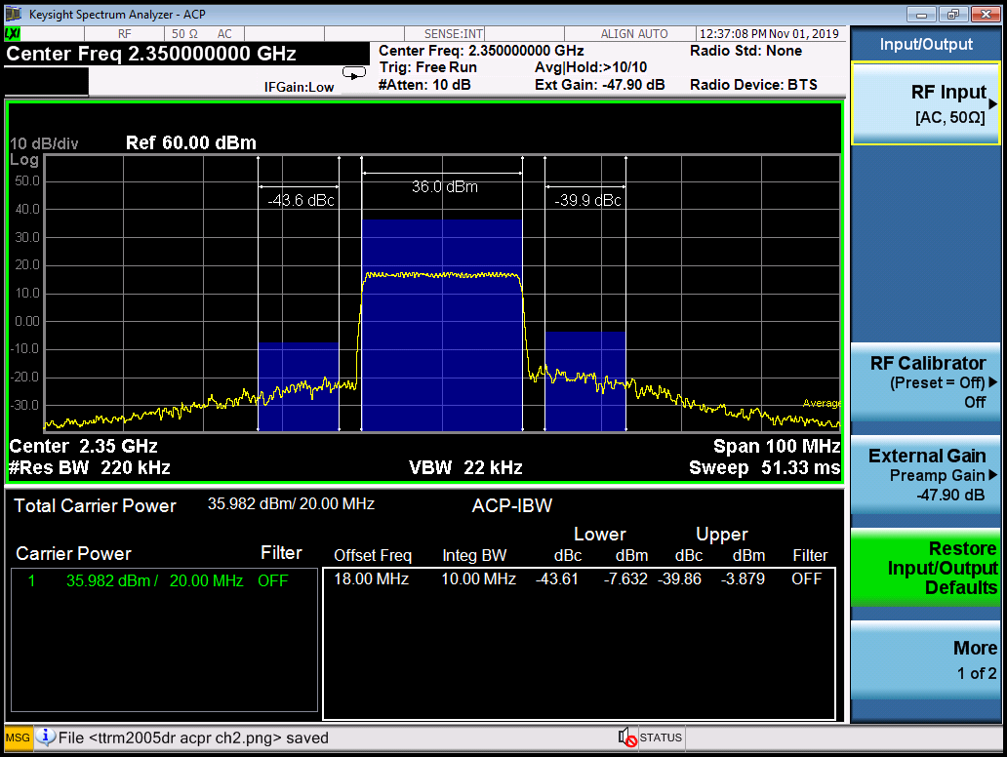
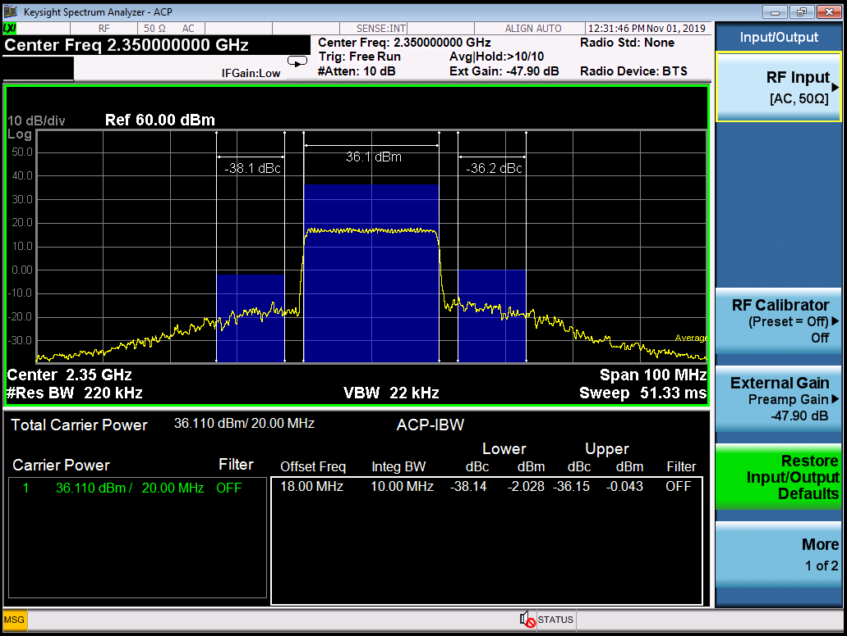

Spurious
Spurious Measurement: Single CW tone @ mid band. Run to P1dB. Set MXA to center ferq. 3x(approx) span and a low enough RBW VBW to go into noise floor. Take a screenshot and marker / measure anything that is not harmonic content.

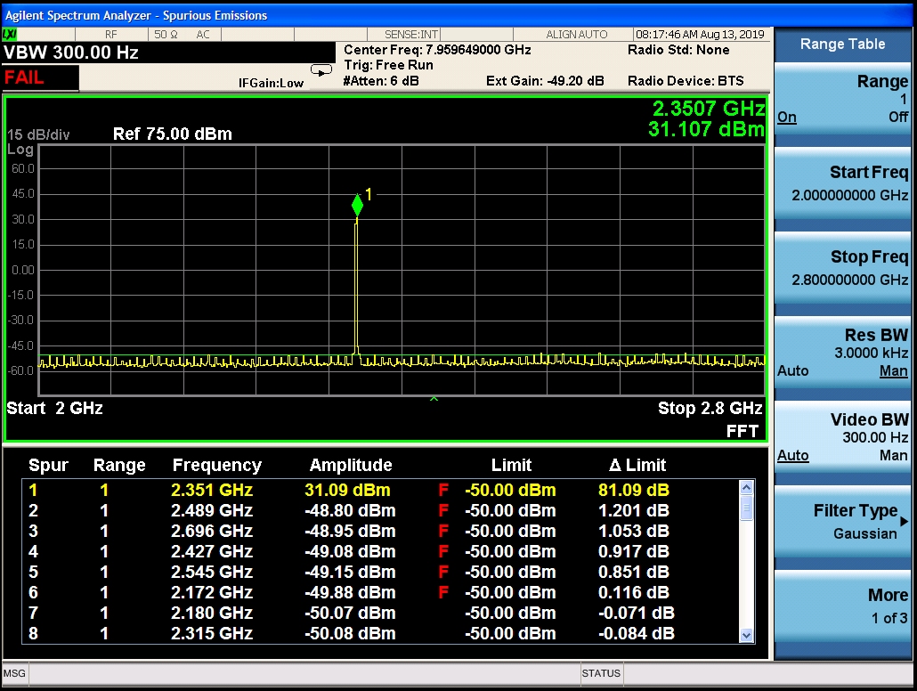

Rx NF
Rx Noise figure at small signal gain output power (paste image)

 | CH1 | CH2
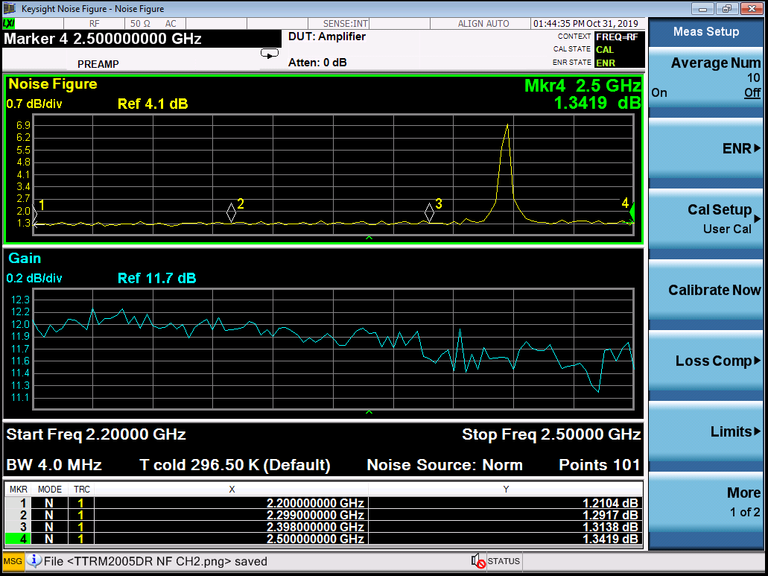
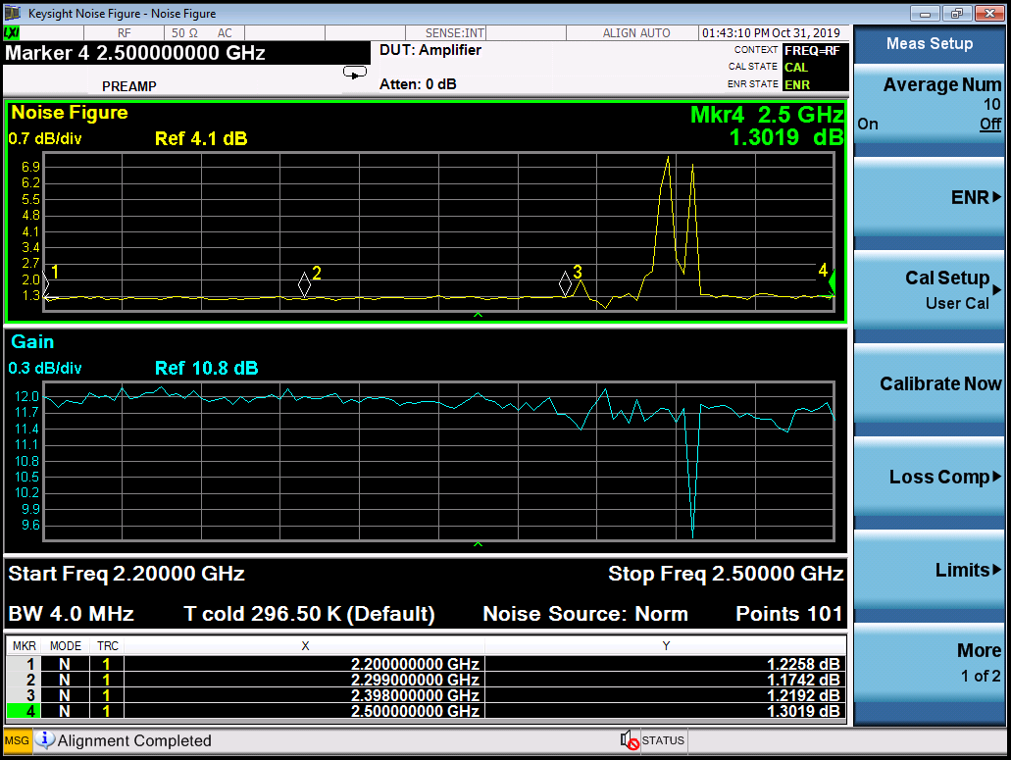

Tx Switching Speed
TTL trigger on Vs Tx Ramp up

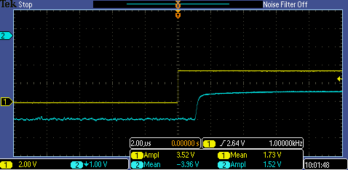
 | CH1 | CH2
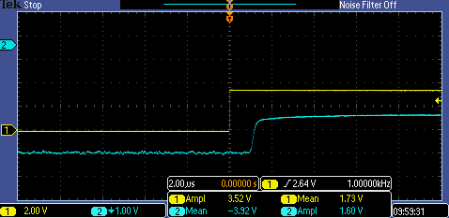

TTL Trigger off vs Tx Ramp Down

 | CH1 | CH2
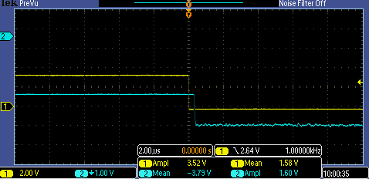

Rx Switching Speed
Tx SwiTTL trigger off vs Rx ramp Up

 | CH2 | CH1
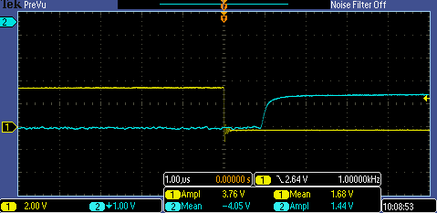
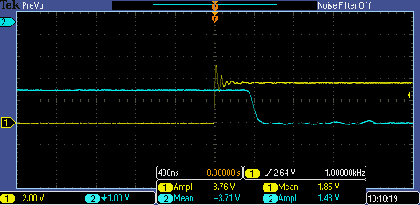

 |  |  | tek11 ch1

TTL Trigger on vs Rx Ramp Down

 | CH2 | CH1
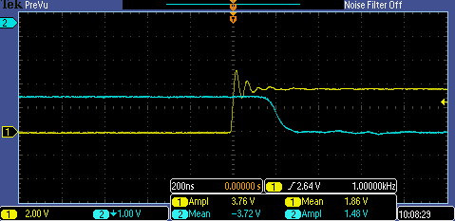
...

Sw Speed Validation
Validate Switching Speed sequencing on amp in Tx and paste image of results CH1: Monitor ARB trigger CH2 : Monitor Input switching signal(s) CH3: Monitor output switching signal(s) CH4: Monitor RF output Detector

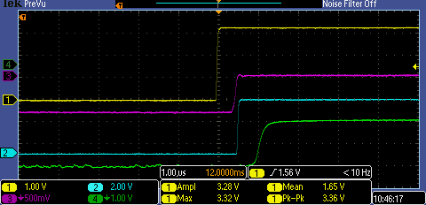
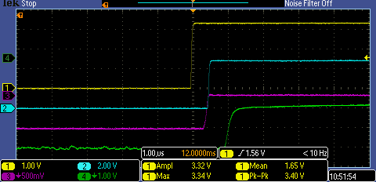
 | CH2 |  |  |  | CH1
 |  |  | tek015 ch2 | tek019ch1

Validate Switching Speed sequencing on amp in Tx and paste image of results CH1: Monitor ARB trigger CH2 : Monitor Input switching signal(s) CH3: Monitor output switching signal(s) CH4: Monitor RF output Detector

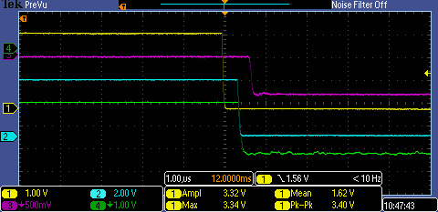
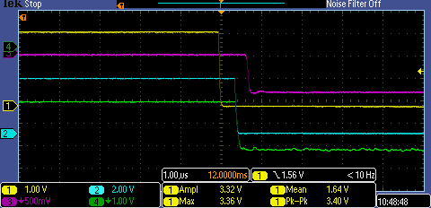
 | CH2 |  |  |  | CH1
 |  | tek016 ch2 |  | tek017 ch1

Current Pulse-Switching
Take Current pulse waveform during various modulations and duty cycles (TBD)

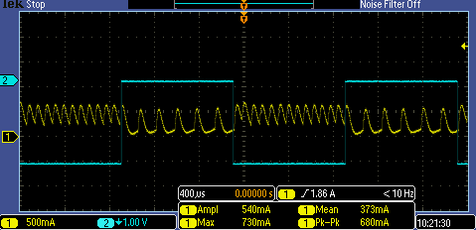

Current pulse turn-on
TTRM2005DR CURRENT PULSE TURN ON

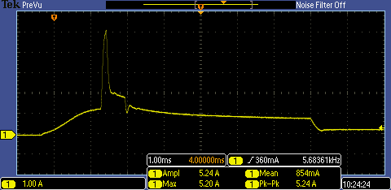

Graphs
Tx P1dB vs. Temperature

Tx Input Return Loss vs. Temperature
Tx P3dB vs. Temperature

Tx Gain vs. Temperature
Tx PSat vs. Temperature

Rx Input Return Loss vs. Temperature

BPSK EVM

Rx Gain vs. Temperature

QPSK EVM

Rx P1dB vs. Temperature

16 QAM EVM

64 QAM EVM

